ver1(회차, 지점 교차)
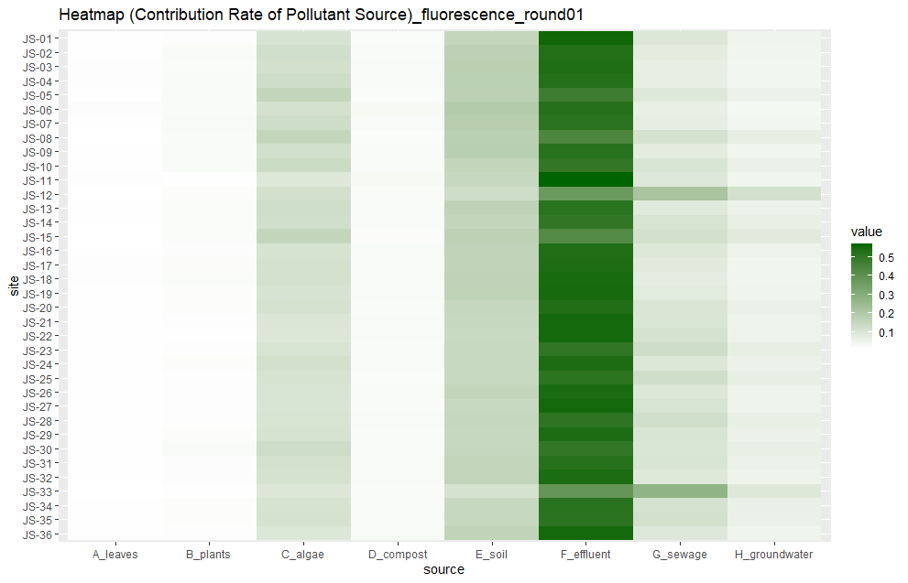
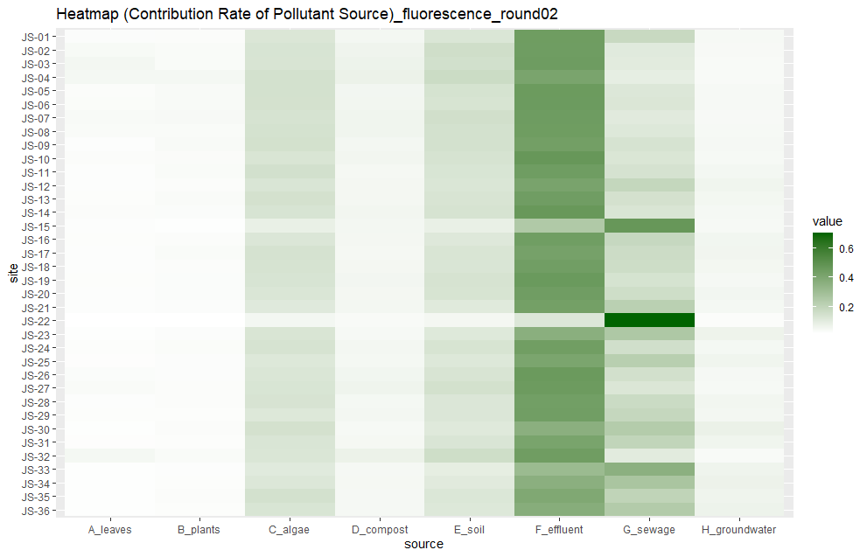
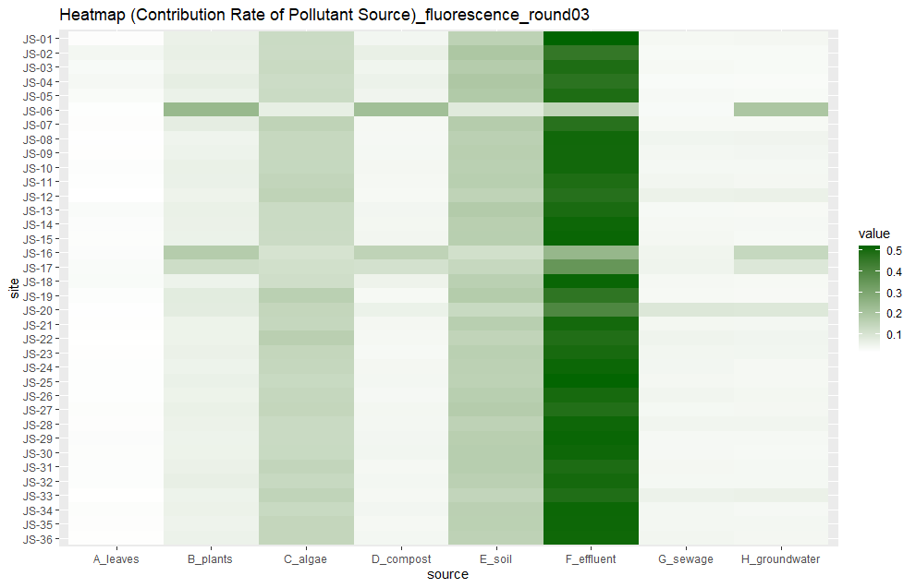
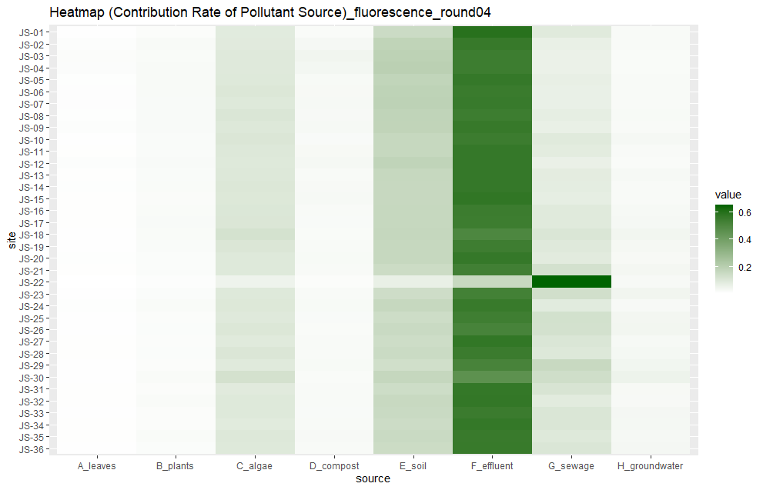
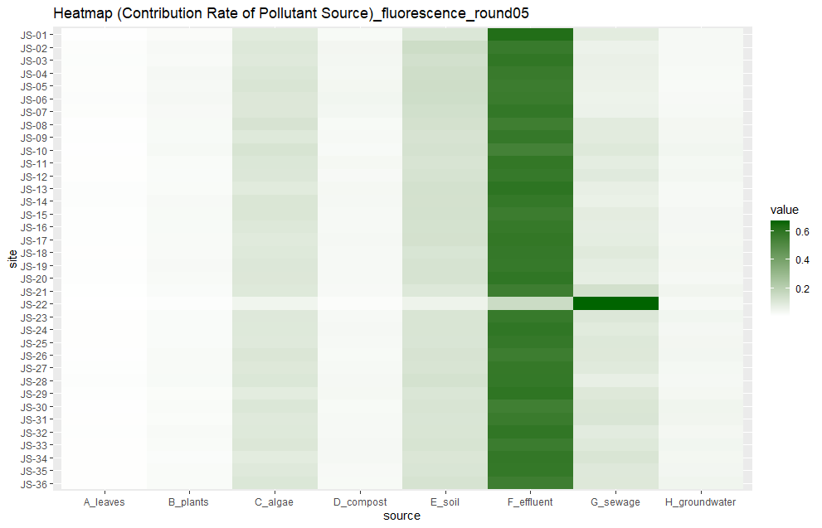

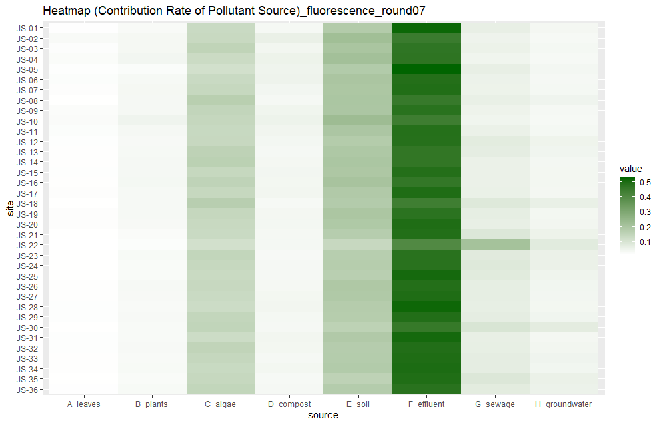
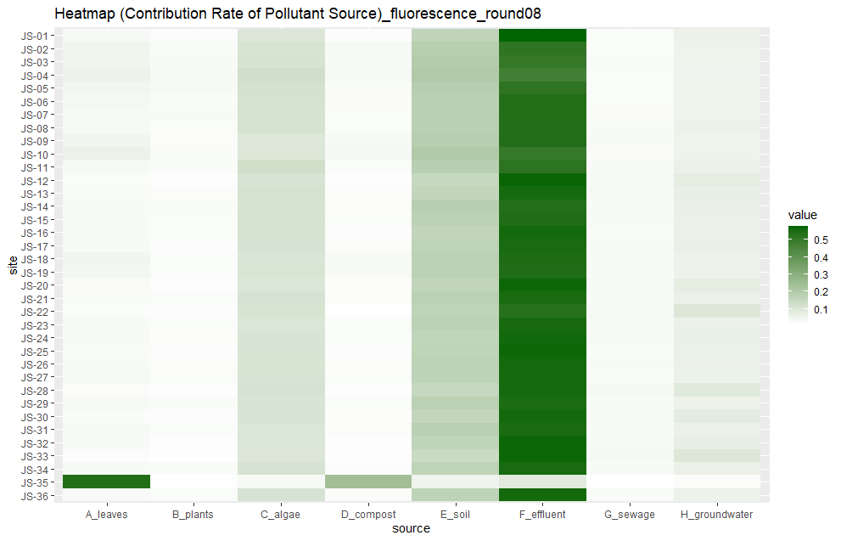
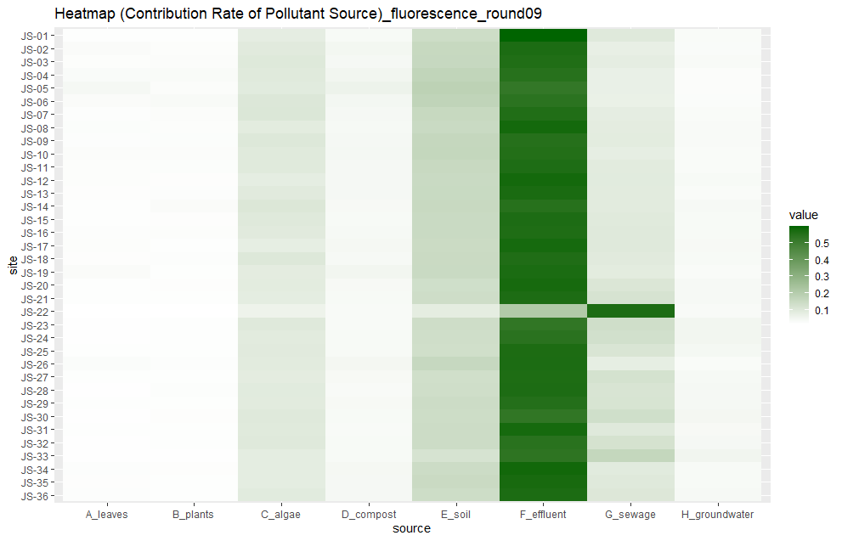
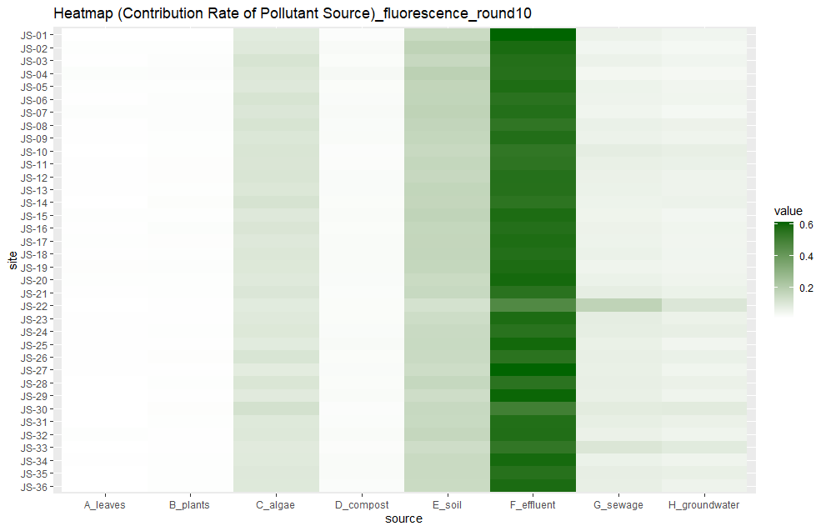
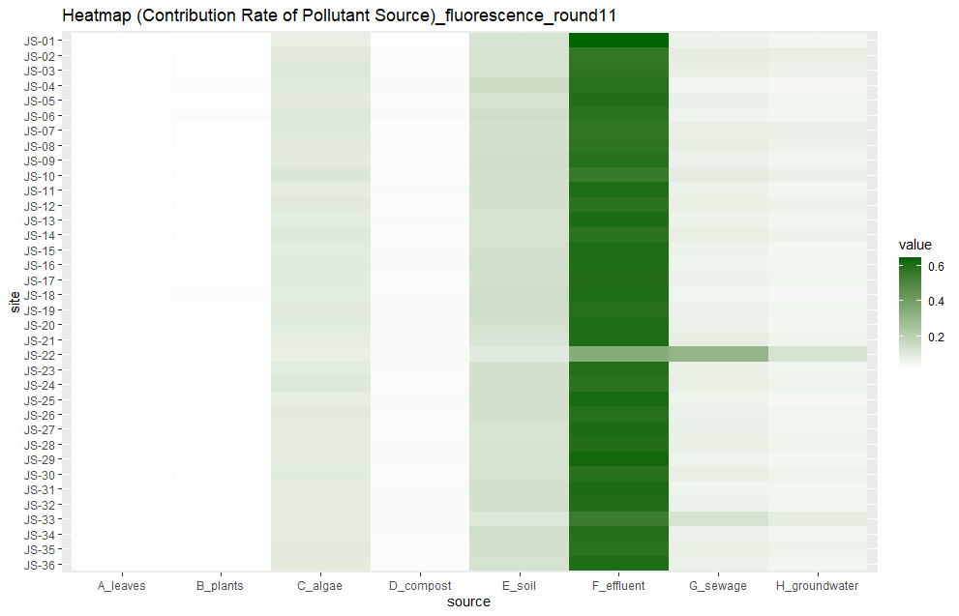
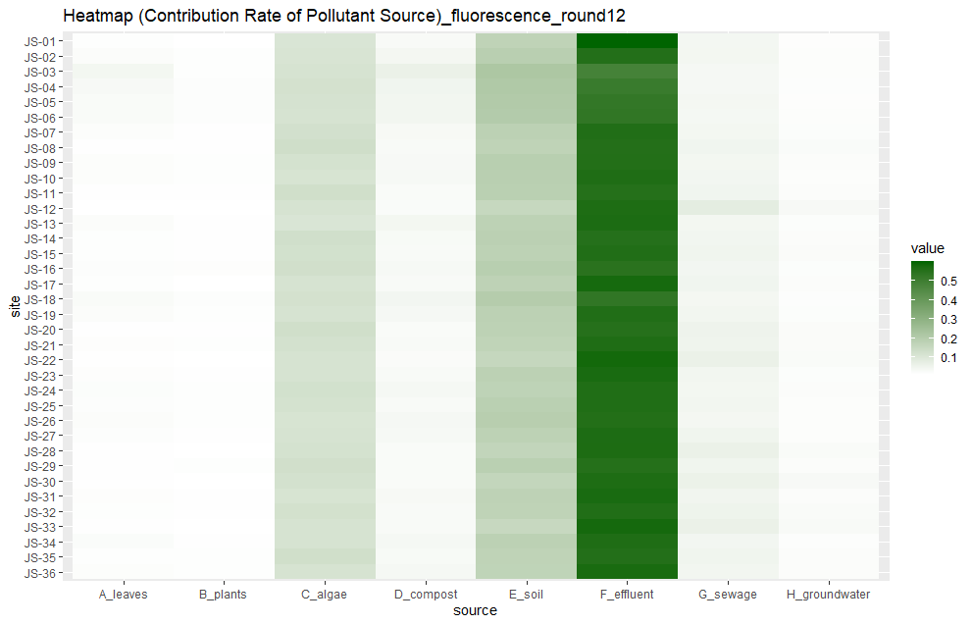
ver1

prior=1

1회차 |  |  |  |  |  |  |  |  |  | 2회차 |  |  |  |  |  |  |  |  |  | 3회차
지점 | 낙엽(leaves) | 수생식물(plants) | 조류(algae) | 퇴비(compost) | 토양(soil) | 유출수(effluent) | 하수(sewage) | 지하수(groundwater) | 합계 | 지점 | 낙엽(leaves) | 수생식물(plants) | 조류(algae) | 퇴비(compost) | 토양(soil) | 유출수(effluent) | 하수(sewage) | 지하수(groundwater) | 합계 | 지점 | 낙엽(leaves) | 수생식물(plants) | 조류(algae) | 퇴비(compost) | 토양(soil) | 유출수(effluent) | 하수(sewage) | 지하수(groundwater) | 합계
JS-01 | 0.012 | 0.017 | 0.106 | 0.021 | 0.151 | 0.553 | 0.093 | 0.048 | 1.001 | JS-01 | 0.024 | 0.025 | 0.12 | 0.047 | 0.122 | 0.447 | 0.176 | 0.04 | 1.001 | JS-01 | 0.02 | 0.058 | 0.129 | 0.042 | 0.157 | 0.518 | 0.037 | 0.039 | 1
JS-02 | 0.014 | 0.024 | 0.121 | 0.023 | 0.169 | 0.527 | 0.077 | 0.045 | 1 | JS-02 | 0.036 | 0.032 | 0.13 | 0.061 | 0.155 | 0.445 | 0.103 | 0.037 | 0.999 | JS-02 | 0.04 | 0.062 | 0.127 | 0.063 | 0.193 | 0.453 | 0.032 | 0.032 | 1.002
JS-03 | 0.017 | 0.022 | 0.117 | 0.026 | 0.176 | 0.533 | 0.068 | 0.04 | 0.999 | JS-03 | 0.047 | 0.03 | 0.128 | 0.065 | 0.148 | 0.448 | 0.099 | 0.035 | 1 | JS-03 | 0.031 | 0.058 | 0.132 | 0.047 | 0.175 | 0.489 | 0.035 | 0.032 | 0.999
JS-04 | 0.016 | 0.025 | 0.127 | 0.027 | 0.172 | 0.525 | 0.067 | 0.04 | 0.999 | JS-04 | 0.045 | 0.045 | 0.142 | 0.07 | 0.166 | 0.412 | 0.086 | 0.034 | 1 | JS-04 | 0.036 | 0.069 | 0.124 | 0.055 | 0.191 | 0.468 | 0.029 | 0.028 | 1
JS-05 | 0.012 | 0.025 | 0.152 | 0.021 | 0.171 | 0.474 | 0.089 | 0.055 | 0.999 | JS-05 | 0.025 | 0.035 | 0.143 | 0.05 | 0.136 | 0.456 | 0.115 | 0.04 | 1 | JS-05 | 0.028 | 0.057 | 0.128 | 0.048 | 0.183 | 0.489 | 0.034 | 0.032 | 0.999
JS-06 | 0.019 | 0.024 | 0.113 | 0.03 | 0.193 | 0.521 | 0.065 | 0.035 | 1 | JS-06 | 0.028 | 0.035 | 0.141 | 0.051 | 0.131 | 0.454 | 0.12 | 0.04 | 1 | JS-06 | 0.019 | 0.238 | 0.066 | 0.219 | 0.081 | 0.151 | 0.031 | 0.195 | 1
JS-07 | 0.015 | 0.028 | 0.127 | 0.027 | 0.181 | 0.512 | 0.069 | 0.041 | 1 | JS-07 | 0.035 | 0.037 | 0.133 | 0.058 | 0.15 | 0.449 | 0.102 | 0.037 | 1.001 | JS-07 | 0.02 | 0.071 | 0.153 | 0.037 | 0.176 | 0.473 | 0.035 | 0.035 | 1
JS-08 | 0.01 | 0.023 | 0.152 | 0.022 | 0.174 | 0.44 | 0.111 | 0.068 | 1 | JS-08 | 0.03 | 0.032 | 0.14 | 0.056 | 0.143 | 0.447 | 0.113 | 0.038 | 0.999 | JS-08 | 0.017 | 0.049 | 0.138 | 0.036 | 0.162 | 0.504 | 0.046 | 0.048 | 1
JS-09 | 0.015 | 0.023 | 0.119 | 0.024 | 0.178 | 0.518 | 0.077 | 0.046 | 1 | JS-09 | 0.022 | 0.033 | 0.144 | 0.048 | 0.142 | 0.435 | 0.133 | 0.042 | 0.999 | JS-09 | 0.018 | 0.053 | 0.138 | 0.038 | 0.167 | 0.503 | 0.04 | 0.042 | 0.999
JS-10 | 0.014 | 0.023 | 0.133 | 0.024 | 0.154 | 0.497 | 0.1 | 0.057 | 1.002 | JS-10 | 0.026 | 0.029 | 0.126 | 0.051 | 0.135 | 0.471 | 0.123 | 0.039 | 1 | JS-10 | 0.021 | 0.06 | 0.139 | 0.039 | 0.163 | 0.503 | 0.038 | 0.038 | 1.001
JS-11 | 0.016 | 0.015 | 0.09 | 0.032 | 0.145 | 0.567 | 0.089 | 0.046 | 1 | JS-11 | 0.022 | 0.032 | 0.146 | 0.043 | 0.127 | 0.446 | 0.137 | 0.048 | 1.001 | JS-11 | 0.019 | 0.059 | 0.146 | 0.037 | 0.168 | 0.489 | 0.043 | 0.039 | 1
JS-12 | 0.011 | 0.018 | 0.117 | 0.023 | 0.129 | 0.369 | 0.216 | 0.117 | 1 | JS-12 | 0.022 | 0.025 | 0.124 | 0.046 | 0.122 | 0.416 | 0.188 | 0.058 | 1.001 | JS-12 | 0.015 | 0.052 | 0.154 | 0.035 | 0.153 | 0.476 | 0.056 | 0.058 | 0.999
JS-13 | 0.014 | 0.022 | 0.126 | 0.025 | 0.163 | 0.513 | 0.083 | 0.054 | 1 | JS-13 | 0.023 | 0.03 | 0.141 | 0.046 | 0.129 | 0.443 | 0.141 | 0.049 | 1.002 | JS-13 | 0.027 | 0.06 | 0.129 | 0.042 | 0.18 | 0.494 | 0.034 | 0.033 | 0.999
JS-14 | 0.012 | 0.022 | 0.121 | 0.023 | 0.152 | 0.5 | 0.105 | 0.064 | 0.999 | JS-14 | 0.025 | 0.027 | 0.13 | 0.051 | 0.133 | 0.467 | 0.126 | 0.041 | 1 | JS-14 | 0.023 | 0.058 | 0.129 | 0.041 | 0.167 | 0.508 | 0.037 | 0.036 | 0.999
JS-15 | 0.011 | 0.021 | 0.153 | 0.02 | 0.168 | 0.426 | 0.118 | 0.082 | 0.999 | JS-15 | 0.021 | 0.018 | 0.077 | 0.048 | 0.079 | 0.247 | 0.47 | 0.04 | 1 | JS-15 | 0.022 | 0.057 | 0.127 | 0.043 | 0.168 | 0.511 | 0.039 | 0.034 | 1.001
JS-16 | 0.014 | 0.019 | 0.109 | 0.025 | 0.16 | 0.529 | 0.091 | 0.052 | 0.999 | JS-16 | 0.023 | 0.025 | 0.119 | 0.046 | 0.111 | 0.442 | 0.181 | 0.053 | 1 | JS-16 | 0.023 | 0.175 | 0.104 | 0.154 | 0.114 | 0.243 | 0.047 | 0.139 | 0.999
JS-17 | 0.016 | 0.02 | 0.115 | 0.029 | 0.159 | 0.534 | 0.082 | 0.046 | 1.001 | JS-17 | 0.021 | 0.03 | 0.137 | 0.043 | 0.126 | 0.425 | 0.164 | 0.054 | 1 | JS-17 | 0.027 | 0.123 | 0.114 | 0.109 | 0.138 | 0.35 | 0.05 | 0.089 | 1
JS-18 | 0.016 | 0.021 | 0.113 | 0.029 | 0.162 | 0.542 | 0.071 | 0.045 | 0.999 | JS-18 | 0.021 | 0.025 | 0.134 | 0.046 | 0.124 | 0.439 | 0.162 | 0.049 | 1 | JS-18 | 0.029 | 0.053 | 0.119 | 0.052 | 0.164 | 0.511 | 0.037 | 0.035 | 1
JS-19 | 0.015 | 0.018 | 0.106 | 0.026 | 0.163 | 0.545 | 0.08 | 0.047 | 1 | JS-19 | 0.023 | 0.027 | 0.13 | 0.05 | 0.133 | 0.46 | 0.136 | 0.041 | 1 | JS-19 | 0.021 | 0.076 | 0.163 | 0.035 | 0.177 | 0.461 | 0.035 | 0.033 | 1.001
JS-20 | 0.013 | 0.018 | 0.11 | 0.024 | 0.148 | 0.53 | 0.099 | 0.057 | 0.999 | JS-20 | 0.022 | 0.027 | 0.122 | 0.046 | 0.131 | 0.443 | 0.158 | 0.05 | 0.999 | JS-20 | 0.017 | 0.074 | 0.143 | 0.057 | 0.133 | 0.4 | 0.089 | 0.088 | 1.001
JS-21 | 0.013 | 0.016 | 0.096 | 0.029 | 0.147 | 0.548 | 0.098 | 0.053 | 1 | JS-21 | 0.022 | 0.024 | 0.106 | 0.048 | 0.104 | 0.432 | 0.219 | 0.045 | 1 | JS-21 | 0.018 | 0.054 | 0.14 | 0.039 | 0.168 | 0.501 | 0.041 | 0.04 | 1.001
JS-22 | 0.013 | 0.015 | 0.092 | 0.026 | 0.139 | 0.55 | 0.112 | 0.053 | 1 | JS-22 | 0.013 | 0.014 | 0.048 | 0.034 | 0.046 | 0.115 | 0.706 | 0.025 | 1.001 | JS-22 | 0.016 | 0.054 | 0.165 | 0.037 | 0.149 | 0.484 | 0.05 | 0.046 | 1.001
JS-23 | 0.012 | 0.017 | 0.105 | 0.025 | 0.144 | 0.503 | 0.128 | 0.066 | 1 | JS-23 | 0.019 | 0.024 | 0.126 | 0.04 | 0.109 | 0.365 | 0.253 | 0.064 | 1 | JS-23 | 0.018 | 0.058 | 0.143 | 0.034 | 0.163 | 0.497 | 0.043 | 0.044 | 1
JS-24 | 0.014 | 0.018 | 0.117 | 0.025 | 0.144 | 0.536 | 0.093 | 0.054 | 1.001 | JS-24 | 0.023 | 0.028 | 0.135 | 0.047 | 0.131 | 0.441 | 0.151 | 0.044 | 1 | JS-24 | 0.019 | 0.053 | 0.141 | 0.039 | 0.16 | 0.509 | 0.042 | 0.037 | 1
JS-25 | 0.013 | 0.017 | 0.108 | 0.022 | 0.142 | 0.508 | 0.124 | 0.067 | 1.001 | JS-25 | 0.02 | 0.024 | 0.112 | 0.044 | 0.112 | 0.409 | 0.223 | 0.056 | 1 | JS-25 | 0.019 | 0.059 | 0.133 | 0.04 | 0.158 | 0.516 | 0.039 | 0.037 | 1.001
JS-26 | 0.015 | 0.017 | 0.104 | 0.028 | 0.153 | 0.541 | 0.093 | 0.05 | 1.001 | JS-26 | 0.027 | 0.024 | 0.121 | 0.053 | 0.128 | 0.458 | 0.147 | 0.042 | 1 | JS-26 | 0.019 | 0.054 | 0.14 | 0.036 | 0.168 | 0.498 | 0.045 | 0.041 | 1.001
JS-27 | 0.013 | 0.017 | 0.1 | 0.024 | 0.142 | 0.549 | 0.103 | 0.051 | 0.999 | JS-27 | 0.032 | 0.026 | 0.127 | 0.06 | 0.144 | 0.453 | 0.12 | 0.038 | 1 | JS-27 | 0.022 | 0.06 | 0.143 | 0.041 | 0.175 | 0.482 | 0.038 | 0.039 | 1
JS-28 | 0.013 | 0.017 | 0.105 | 0.026 | 0.148 | 0.507 | 0.121 | 0.064 | 1.001 | JS-28 | 0.021 | 0.025 | 0.132 | 0.045 | 0.119 | 0.437 | 0.169 | 0.051 | 0.999 | JS-28 | 0.02 | 0.056 | 0.131 | 0.04 | 0.156 | 0.507 | 0.045 | 0.045 | 1
JS-29 | 0.013 | 0.018 | 0.109 | 0.023 | 0.146 | 0.536 | 0.1 | 0.056 | 1.001 | JS-29 | 0.023 | 0.023 | 0.113 | 0.048 | 0.119 | 0.439 | 0.186 | 0.048 | 0.999 | JS-29 | 0.023 | 0.053 | 0.131 | 0.042 | 0.167 | 0.511 | 0.036 | 0.036 | 0.999
JS-30 | 0.012 | 0.023 | 0.132 | 0.024 | 0.149 | 0.498 | 0.098 | 0.064 | 1 | JS-30 | 0.018 | 0.026 | 0.141 | 0.038 | 0.108 | 0.362 | 0.236 | 0.072 | 1.001 | JS-30 | 0.022 | 0.054 | 0.133 | 0.044 | 0.17 | 0.507 | 0.036 | 0.034 | 1
JS-31 | 0.014 | 0.019 | 0.113 | 0.026 | 0.156 | 0.519 | 0.1 | 0.054 | 1.001 | JS-31 | 0.02 | 0.023 | 0.124 | 0.043 | 0.124 | 0.415 | 0.196 | 0.056 | 1.001 | JS-31 | 0.021 | 0.058 | 0.146 | 0.037 | 0.17 | 0.49 | 0.039 | 0.038 | 0.999
JS-32 | 0.014 | 0.019 | 0.111 | 0.026 | 0.155 | 0.539 | 0.087 | 0.049 | 1 | JS-32 | 0.044 | 0.031 | 0.121 | 0.07 | 0.157 | 0.444 | 0.099 | 0.034 | 1 | JS-32 | 0.021 | 0.064 | 0.135 | 0.04 | 0.162 | 0.5 | 0.038 | 0.038 | 0.998
JS-33 | 0.011 | 0.015 | 0.092 | 0.023 | 0.112 | 0.382 | 0.274 | 0.091 | 1 | JS-33 | 0.018 | 0.021 | 0.103 | 0.041 | 0.088 | 0.312 | 0.359 | 0.059 | 1.001 | JS-33 | 0.016 | 0.053 | 0.15 | 0.037 | 0.146 | 0.485 | 0.055 | 0.058 | 1
JS-34 | 0.013 | 0.018 | 0.109 | 0.024 | 0.147 | 0.515 | 0.112 | 0.061 | 0.999 | JS-34 | 0.019 | 0.023 | 0.115 | 0.043 | 0.102 | 0.362 | 0.268 | 0.067 | 0.999 | JS-34 | 0.022 | 0.056 | 0.133 | 0.042 | 0.162 | 0.509 | 0.04 | 0.036 | 1
JS-35 | 0.012 | 0.018 | 0.111 | 0.026 | 0.146 | 0.512 | 0.117 | 0.058 | 1 | JS-35 | 0.019 | 0.026 | 0.142 | 0.041 | 0.118 | 0.395 | 0.201 | 0.059 | 1.001 | JS-35 | 0.02 | 0.051 | 0.143 | 0.037 | 0.161 | 0.508 | 0.04 | 0.04 | 1
JS-36 | 0.014 | 0.017 | 0.095 | 0.027 | 0.16 | 0.549 | 0.089 | 0.048 | 0.999 | JS-36 | 0.019 | 0.023 | 0.127 | 0.041 | 0.113 | 0.373 | 0.24 | 0.065 | 1.001 | JS-36 | 0.018 | 0.055 | 0.143 | 0.04 | 0.156 | 0.506 | 0.043 | 0.039 | 1

4회차 |  |  |  |  |  |  |  |  |  | 5회차 |  |  |  |  |  |  |  |  |  | 6회차
지점 | 낙엽(leaves) | 수생식물(plants) | 조류(algae) | 퇴비(compost) | 토양(soil) | 유출수(effluent) | 하수(sewage) | 지하수(groundwater) | 합계 | 지점 | 낙엽(leaves) | 수생식물(plants) | 조류(algae) | 퇴비(compost) | 토양(soil) | 유출수(effluent) | 하수(sewage) | 지하수(groundwater) | 합계 | 지점 | 낙엽(leaves) | 수생식물(plants) | 조류(algae) | 퇴비(compost) | 토양(soil) | 유출수(effluent) | 하수(sewage) | 지하수(groundwater) | 합계
JS-01 | 0.009 | 0.019 | 0.088 | 0.024 | 0.15 | 0.592 | 0.091 | 0.027 | 1 | JS-01 | 0.01 | 0.022 | 0.091 | 0.029 | 0.108 | 0.622 | 0.086 | 0.033 | 1.001 | JS-01 | 0.015 | 0.022 | 0.09 | 0.036 | 0.148 | 0.575 | 0.08 | 0.032 | 0.998
JS-02 | 0.015 | 0.027 | 0.09 | 0.033 | 0.181 | 0.559 | 0.068 | 0.026 | 0.999 | JS-02 | 0.016 | 0.03 | 0.102 | 0.042 | 0.148 | 0.571 | 0.06 | 0.031 | 1 | JS-02 | 0.02 | 0.029 | 0.103 | 0.04 | 0.168 | 0.534 | 0.071 | 0.035 | 1
JS-03 | 0.019 | 0.023 | 0.095 | 0.045 | 0.189 | 0.543 | 0.062 | 0.024 | 1 | JS-03 | 0.017 | 0.026 | 0.097 | 0.04 | 0.133 | 0.589 | 0.067 | 0.031 | 1 | JS-03 | 0.02 | 0.031 | 0.108 | 0.043 | 0.168 | 0.534 | 0.063 | 0.034 | 1.001
JS-04 | 0.017 | 0.027 | 0.094 | 0.039 | 0.195 | 0.542 | 0.062 | 0.023 | 0.999 | JS-04 | 0.016 | 0.034 | 0.108 | 0.037 | 0.143 | 0.57 | 0.064 | 0.029 | 1.001 | JS-04 | 0.025 | 0.031 | 0.106 | 0.049 | 0.176 | 0.524 | 0.059 | 0.03 | 1
JS-05 | 0.012 | 0.027 | 0.097 | 0.028 | 0.177 | 0.562 | 0.07 | 0.026 | 0.999 | JS-05 | 0.016 | 0.033 | 0.115 | 0.041 | 0.146 | 0.562 | 0.061 | 0.027 | 1.001 | JS-05 | 0.016 | 0.019 | 0.082 | 0.043 | 0.143 | 0.558 | 0.1 | 0.037 | 0.998
JS-06 | 0.013 | 0.027 | 0.104 | 0.03 | 0.185 | 0.551 | 0.066 | 0.026 | 1.002 | JS-06 | 0.018 | 0.034 | 0.104 | 0.045 | 0.144 | 0.566 | 0.058 | 0.03 | 0.999 | JS-06 | 0.025 | 0.034 | 0.1 | 0.046 | 0.186 | 0.524 | 0.056 | 0.029 | 1
JS-07 | 0.013 | 0.025 | 0.097 | 0.031 | 0.188 | 0.555 | 0.066 | 0.026 | 1.001 | JS-07 | 0.016 | 0.03 | 0.104 | 0.04 | 0.136 | 0.584 | 0.059 | 0.032 | 1.001 | JS-07 | 0.026 | 0.031 | 0.105 | 0.049 | 0.176 | 0.523 | 0.059 | 0.03 | 0.999
JS-08 | 0.012 | 0.025 | 0.107 | 0.029 | 0.18 | 0.544 | 0.076 | 0.028 | 1.001 | JS-08 | 0.01 | 0.029 | 0.121 | 0.029 | 0.129 | 0.555 | 0.089 | 0.039 | 1.001 | JS-08 | 0.015 | 0.027 | 0.109 | 0.035 | 0.16 | 0.526 | 0.087 | 0.041 | 1
JS-09 | 0.014 | 0.025 | 0.1 | 0.032 | 0.178 | 0.558 | 0.067 | 0.027 | 1.001 | JS-09 | 0.012 | 0.028 | 0.099 | 0.032 | 0.121 | 0.579 | 0.089 | 0.04 | 1 | JS-09 | 0.019 | 0.023 | 0.092 | 0.041 | 0.156 | 0.558 | 0.077 | 0.034 | 1
JS-10 | 0.01 | 0.022 | 0.106 | 0.025 | 0.163 | 0.546 | 0.093 | 0.034 | 0.999 | JS-10 | 0.01 | 0.031 | 0.12 | 0.028 | 0.125 | 0.54 | 0.099 | 0.045 | 0.998 | JS-10 | 0.017 | 0.027 | 0.107 | 0.034 | 0.16 | 0.539 | 0.08 | 0.037 | 1.001
JS-11 | 0.011 | 0.022 | 0.099 | 0.03 | 0.163 | 0.563 | 0.084 | 0.027 | 0.999 | JS-11 | 0.011 | 0.024 | 0.107 | 0.036 | 0.118 | 0.585 | 0.082 | 0.037 | 1 | JS-11 | 0.018 | 0.023 | 0.094 | 0.039 | 0.157 | 0.551 | 0.082 | 0.036 | 1
JS-12 | 0.014 | 0.025 | 0.097 | 0.033 | 0.179 | 0.562 | 0.065 | 0.024 | 0.999 | JS-12 | 0.011 | 0.023 | 0.105 | 0.03 | 0.122 | 0.576 | 0.093 | 0.04 | 1 | JS-12 | 0.014 | 0.025 | 0.115 | 0.033 | 0.153 | 0.512 | 0.098 | 0.049 | 0.999
JS-13 | 0.011 | 0.022 | 0.1 | 0.027 | 0.164 | 0.562 | 0.082 | 0.031 | 0.999 | JS-13 | 0.014 | 0.025 | 0.091 | 0.036 | 0.131 | 0.597 | 0.073 | 0.032 | 0.999 | JS-13 | 0.019 | 0.025 | 0.091 | 0.046 | 0.16 | 0.561 | 0.067 | 0.032 | 1.001
JS-14 | 0.012 | 0.024 | 0.104 | 0.029 | 0.162 | 0.563 | 0.08 | 0.027 | 1.001 | JS-14 | 0.014 | 0.03 | 0.112 | 0.035 | 0.129 | 0.582 | 0.066 | 0.031 | 0.999 | JS-14 | 0.017 | 0.032 | 0.115 | 0.036 | 0.178 | 0.516 | 0.071 | 0.035 | 1
JS-15 | 0.011 | 0.021 | 0.101 | 0.031 | 0.162 | 0.572 | 0.075 | 0.027 | 1 | JS-15 | 0.012 | 0.029 | 0.112 | 0.033 | 0.131 | 0.562 | 0.084 | 0.038 | 1.001 | JS-15 | 0.018 | 0.025 | 0.096 | 0.041 | 0.163 | 0.55 | 0.071 | 0.035 | 0.999
JS-16 | 0.011 | 0.024 | 0.105 | 0.027 | 0.165 | 0.546 | 0.091 | 0.031 | 1 | JS-16 | 0.012 | 0.028 | 0.103 | 0.033 | 0.128 | 0.577 | 0.08 | 0.038 | 0.999 | JS-16 | 0.017 | 0.028 | 0.112 | 0.037 | 0.16 | 0.528 | 0.079 | 0.04 | 1.001
JS-17 | 0.011 | 0.025 | 0.106 | 0.025 | 0.165 | 0.543 | 0.091 | 0.034 | 1 | JS-17 | 0.013 | 0.026 | 0.095 | 0.035 | 0.129 | 0.585 | 0.082 | 0.036 | 1.001 | JS-17 | 0.018 | 0.027 | 0.105 | 0.038 | 0.167 | 0.534 | 0.072 | 0.039 | 1
JS-18 | 0.009 | 0.023 | 0.125 | 0.023 | 0.167 | 0.501 | 0.108 | 0.043 | 0.999 | JS-18 | 0.011 | 0.027 | 0.099 | 0.033 | 0.116 | 0.579 | 0.095 | 0.04 | 1 | JS-18 | 0.016 | 0.024 | 0.097 | 0.037 | 0.155 | 0.549 | 0.086 | 0.037 | 1.001
JS-19 | 0.01 | 0.022 | 0.106 | 0.026 | 0.164 | 0.541 | 0.095 | 0.035 | 0.999 | JS-19 | 0.012 | 0.03 | 0.105 | 0.033 | 0.122 | 0.576 | 0.083 | 0.039 | 1 | JS-19 | 0.02 | 0.024 | 0.094 | 0.042 | 0.16 | 0.556 | 0.07 | 0.034 | 1
JS-20 | 0.012 | 0.02 | 0.096 | 0.028 | 0.165 | 0.562 | 0.087 | 0.03 | 1 | JS-20 | 0.013 | 0.026 | 0.104 | 0.033 | 0.123 | 0.59 | 0.076 | 0.035 | 1 | JS-20 | 0.017 | 0.026 | 0.11 | 0.04 | 0.158 | 0.531 | 0.08 | 0.037 | 0.999
JS-21 | 0.011 | 0.02 | 0.096 | 0.027 | 0.148 | 0.533 | 0.127 | 0.038 | 1 | JS-21 | 0.009 | 0.023 | 0.099 | 0.03 | 0.102 | 0.556 | 0.134 | 0.047 | 1 | JS-21 | 0.016 | 0.022 | 0.093 | 0.04 | 0.155 | 0.537 | 0.096 | 0.04 | 0.999
JS-22 | 0.007 | 0.015 | 0.053 | 0.019 | 0.068 | 0.161 | 0.649 | 0.029 | 1.001 | JS-22 | 0.007 | 0.015 | 0.05 | 0.019 | 0.056 | 0.153 | 0.668 | 0.033 | 1.001 | JS-22 | 0.013 | 0.019 | 0.065 | 0.032 | 0.078 | 0.206 | 0.529 | 0.058 | 1
JS-23 | 0.01 | 0.02 | 0.096 | 0.027 | 0.142 | 0.527 | 0.134 | 0.045 | 1.001 | JS-23 | 0.011 | 0.023 | 0.1 | 0.031 | 0.114 | 0.573 | 0.105 | 0.045 | 1.002 | JS-23 | 0.019 | 0.023 | 0.089 | 0.04 | 0.156 | 0.554 | 0.081 | 0.037 | 0.999
JS-24 | 0.012 | 0.024 | 0.101 | 0.028 | 0.163 | 0.556 | 0.088 | 0.029 | 1.001 | JS-24 | 0.011 | 0.023 | 0.099 | 0.034 | 0.114 | 0.59 | 0.091 | 0.038 | 1 | JS-24 | 0.015 | 0.021 | 0.102 | 0.033 | 0.135 | 0.512 | 0.127 | 0.055 | 1
JS-25 | 0.009 | 0.018 | 0.095 | 0.025 | 0.144 | 0.538 | 0.129 | 0.041 | 0.999 | JS-25 | 0.011 | 0.023 | 0.097 | 0.032 | 0.113 | 0.578 | 0.103 | 0.042 | 0.999 | JS-25 | 0.014 | 0.019 | 0.086 | 0.037 | 0.121 | 0.516 | 0.157 | 0.05 | 1
JS-26 | 0.01 | 0.02 | 0.104 | 0.024 | 0.154 | 0.517 | 0.127 | 0.043 | 0.999 | JS-26 | 0.01 | 0.027 | 0.109 | 0.029 | 0.121 | 0.559 | 0.101 | 0.043 | 0.999 | JS-26 | 0.015 | 0.026 | 0.111 | 0.033 | 0.15 | 0.531 | 0.092 | 0.042 | 1
JS-27 | 0.011 | 0.018 | 0.092 | 0.027 | 0.143 | 0.569 | 0.107 | 0.032 | 0.999 | JS-27 | 0.012 | 0.026 | 0.101 | 0.033 | 0.117 | 0.58 | 0.095 | 0.037 | 1.001 | JS-27 | 0.018 | 0.026 | 0.098 | 0.038 | 0.153 | 0.552 | 0.078 | 0.038 | 1.001
JS-28 | 0.011 | 0.02 | 0.106 | 0.026 | 0.152 | 0.549 | 0.1 | 0.036 | 1 | JS-28 | 0.014 | 0.028 | 0.107 | 0.034 | 0.127 | 0.582 | 0.073 | 0.035 | 1 | JS-28 | 0.015 | 0.025 | 0.097 | 0.036 | 0.15 | 0.556 | 0.081 | 0.039 | 0.999
JS-29 | 0.01 | 0.018 | 0.092 | 0.028 | 0.136 | 0.515 | 0.158 | 0.044 | 1.001 | JS-29 | 0.012 | 0.021 | 0.087 | 0.036 | 0.111 | 0.593 | 0.101 | 0.039 | 1 | JS-29 | 0.02 | 0.024 | 0.094 | 0.042 | 0.164 | 0.546 | 0.076 | 0.035 | 1.001
JS-30 | 0.009 | 0.023 | 0.126 | 0.023 | 0.167 | 0.459 | 0.138 | 0.055 | 1 | JS-30 | 0.01 | 0.024 | 0.107 | 0.029 | 0.118 | 0.55 | 0.112 | 0.049 | 0.999 | JS-30 | 0.013 | 0.024 | 0.112 | 0.031 | 0.148 | 0.504 | 0.115 | 0.054 | 1.001
JS-31 | 0.011 | 0.019 | 0.09 | 0.027 | 0.143 | 0.565 | 0.115 | 0.03 | 1 | JS-31 | 0.011 | 0.021 | 0.098 | 0.031 | 0.113 | 0.567 | 0.113 | 0.047 | 1.001 | JS-31 | 0.018 | 0.025 | 0.101 | 0.039 | 0.152 | 0.547 | 0.08 | 0.038 | 1
JS-32 | 0.011 | 0.024 | 0.096 | 0.027 | 0.159 | 0.568 | 0.086 | 0.029 | 1 | JS-32 | 0.012 | 0.026 | 0.099 | 0.032 | 0.115 | 0.589 | 0.088 | 0.039 | 1 | JS-32 | 0.019 | 0.024 | 0.093 | 0.04 | 0.153 | 0.559 | 0.079 | 0.034 | 1.001
JS-33 | 0.01 | 0.019 | 0.097 | 0.025 | 0.155 | 0.549 | 0.107 | 0.037 | 0.999 | JS-33 | 0.011 | 0.024 | 0.106 | 0.034 | 0.119 | 0.563 | 0.099 | 0.045 | 1.001 | JS-33 | 0.019 | 0.029 | 0.096 | 0.04 | 0.161 | 0.546 | 0.075 | 0.034 | 1
JS-34 | 0.011 | 0.019 | 0.089 | 0.026 | 0.147 | 0.564 | 0.108 | 0.036 | 1 | JS-34 | 0.011 | 0.02 | 0.086 | 0.034 | 0.109 | 0.583 | 0.115 | 0.041 | 0.999 | JS-34 | 0.017 | 0.024 | 0.095 | 0.04 | 0.166 | 0.548 | 0.075 | 0.034 | 0.999
JS-35 | 0.011 | 0.023 | 0.1 | 0.029 | 0.155 | 0.554 | 0.096 | 0.033 | 1.001 | JS-35 | 0.011 | 0.024 | 0.098 | 0.03 | 0.113 | 0.581 | 0.1 | 0.043 | 1 | JS-35 | 0.018 | 0.026 | 0.101 | 0.04 | 0.157 | 0.544 | 0.078 | 0.035 | 0.999
JS-36 | 0.01 | 0.02 | 0.096 | 0.026 | 0.148 | 0.556 | 0.107 | 0.037 | 1 | JS-36 | 0.011 | 0.024 | 0.107 | 0.029 | 0.123 | 0.556 | 0.101 | 0.048 | 0.999 | JS-36 | 0.018 | 0.021 | 0.094 | 0.035 | 0.145 | 0.559 | 0.09 | 0.039 | 1.001

7회차 |  |  |  |  |  |  |  |  |  | 8회차 |  |  |  |  |  |  |  |  |  | 9회차
지점 | 낙엽(leaves) | 수생식물(plants) | 조류(algae) | 퇴비(compost) | 토양(soil) | 유출수(effluent) | 하수(sewage) | 지하수(groundwater) | 합계 | 지점 | 낙엽(leaves) | 수생식물(plants) | 조류(algae) | 퇴비(compost) | 토양(soil) | 유출수(effluent) | 하수(sewage) | 지하수(groundwater) | 합계 | 지점 | 낙엽(leaves) | 수생식물(plants) | 조류(algae) | 퇴비(compost) | 토양(soil) | 유출수(effluent) | 하수(sewage) | 지하수(groundwater) | 합계
JS-01 | 0.013 | 0.026 | 0.13 | 0.033 | 0.18 | 0.519 | 0.062 | 0.036 | 0.999 | JS-01 | 0.035 | 0.022 | 0.098 | 0.022 | 0.163 | 0.576 | 0.024 | 0.058 | 0.998 | JS-01 | 0.018 | 0.017 | 0.078 | 0.032 | 0.137 | 0.599 | 0.092 | 0.028 | 1.001
JS-02 | 0.027 | 0.034 | 0.133 | 0.058 | 0.221 | 0.448 | 0.048 | 0.03 | 0.999 | JS-02 | 0.049 | 0.028 | 0.109 | 0.034 | 0.186 | 0.515 | 0.025 | 0.053 | 0.999 | JS-02 | 0.026 | 0.021 | 0.089 | 0.043 | 0.154 | 0.568 | 0.071 | 0.027 | 0.999
JS-03 | 0.017 | 0.034 | 0.151 | 0.04 | 0.201 | 0.469 | 0.053 | 0.035 | 1 | JS-03 | 0.049 | 0.032 | 0.111 | 0.032 | 0.193 | 0.502 | 0.028 | 0.053 | 1 | JS-03 | 0.021 | 0.024 | 0.095 | 0.037 | 0.155 | 0.561 | 0.077 | 0.03 | 1
JS-04 | 0.022 | 0.039 | 0.127 | 0.051 | 0.216 | 0.472 | 0.044 | 0.031 | 1.002 | JS-04 | 0.057 | 0.035 | 0.125 | 0.035 | 0.2 | 0.473 | 0.025 | 0.05 | 1 | JS-04 | 0.027 | 0.028 | 0.091 | 0.045 | 0.169 | 0.549 | 0.067 | 0.024 | 1
JS-05 | 0.015 | 0.021 | 0.111 | 0.046 | 0.181 | 0.528 | 0.062 | 0.037 | 1.001 | JS-05 | 0.043 | 0.033 | 0.118 | 0.028 | 0.185 | 0.515 | 0.025 | 0.052 | 0.999 | JS-05 | 0.037 | 0.024 | 0.087 | 0.057 | 0.179 | 0.525 | 0.067 | 0.024 | 1
JS-06 | 0.019 | 0.03 | 0.13 | 0.048 | 0.199 | 0.489 | 0.052 | 0.033 | 1 | JS-06 | 0.039 | 0.028 | 0.115 | 0.026 | 0.179 | 0.538 | 0.025 | 0.052 | 1.002 | JS-06 | 0.026 | 0.03 | 0.1 | 0.042 | 0.171 | 0.541 | 0.065 | 0.025 | 1
JS-07 | 0.016 | 0.034 | 0.138 | 0.039 | 0.194 | 0.494 | 0.051 | 0.035 | 1.001 | JS-07 | 0.034 | 0.031 | 0.116 | 0.025 | 0.179 | 0.536 | 0.026 | 0.054 | 1.001 | JS-07 | 0.02 | 0.023 | 0.102 | 0.038 | 0.153 | 0.559 | 0.077 | 0.028 | 1
JS-08 | 0.012 | 0.032 | 0.167 | 0.033 | 0.197 | 0.454 | 0.06 | 0.045 | 1 | JS-08 | 0.033 | 0.025 | 0.114 | 0.025 | 0.18 | 0.535 | 0.029 | 0.059 | 1 | JS-08 | 0.022 | 0.021 | 0.083 | 0.036 | 0.148 | 0.579 | 0.081 | 0.03 | 1
JS-09 | 0.02 | 0.033 | 0.146 | 0.044 | 0.195 | 0.48 | 0.049 | 0.033 | 1 | JS-09 | 0.044 | 0.023 | 0.094 | 0.033 | 0.185 | 0.537 | 0.031 | 0.053 | 1 | JS-09 | 0.02 | 0.022 | 0.098 | 0.038 | 0.158 | 0.551 | 0.083 | 0.03 | 1
JS-10 | 0.023 | 0.045 | 0.139 | 0.05 | 0.228 | 0.441 | 0.044 | 0.03 | 1 | JS-10 | 0.059 | 0.028 | 0.098 | 0.037 | 0.201 | 0.498 | 0.026 | 0.053 | 1 | JS-10 | 0.024 | 0.023 | 0.091 | 0.04 | 0.161 | 0.557 | 0.076 | 0.029 | 1.001
JS-11 | 0.019 | 0.032 | 0.134 | 0.042 | 0.195 | 0.487 | 0.055 | 0.035 | 0.999 | JS-11 | 0.034 | 0.028 | 0.127 | 0.025 | 0.181 | 0.516 | 0.029 | 0.061 | 1.001 | JS-11 | 0.021 | 0.022 | 0.09 | 0.038 | 0.151 | 0.564 | 0.085 | 0.029 | 1
JS-12 | 0.015 | 0.029 | 0.136 | 0.037 | 0.178 | 0.486 | 0.073 | 0.047 | 1.001 | JS-12 | 0.025 | 0.02 | 0.107 | 0.02 | 0.149 | 0.568 | 0.034 | 0.076 | 0.999 | JS-12 | 0.021 | 0.019 | 0.077 | 0.037 | 0.148 | 0.579 | 0.087 | 0.032 | 1
JS-13 | 0.014 | 0.03 | 0.156 | 0.033 | 0.191 | 0.465 | 0.068 | 0.043 | 1 | JS-13 | 0.027 | 0.023 | 0.114 | 0.021 | 0.157 | 0.555 | 0.033 | 0.069 | 0.999 | JS-13 | 0.019 | 0.02 | 0.089 | 0.037 | 0.15 | 0.571 | 0.086 | 0.029 | 1.001
JS-14 | 0.014 | 0.033 | 0.161 | 0.036 | 0.197 | 0.465 | 0.056 | 0.037 | 0.999 | JS-14 | 0.032 | 0.027 | 0.111 | 0.023 | 0.181 | 0.533 | 0.029 | 0.064 | 1 | JS-14 | 0.017 | 0.026 | 0.101 | 0.034 | 0.151 | 0.549 | 0.086 | 0.036 | 1
JS-15 | 0.015 | 0.033 | 0.138 | 0.039 | 0.192 | 0.489 | 0.056 | 0.038 | 1 | JS-15 | 0.031 | 0.025 | 0.115 | 0.024 | 0.173 | 0.541 | 0.029 | 0.062 | 1 | JS-15 | 0.018 | 0.019 | 0.092 | 0.033 | 0.148 | 0.566 | 0.09 | 0.033 | 0.999
JS-16 | 0.014 | 0.035 | 0.152 | 0.038 | 0.205 | 0.462 | 0.056 | 0.038 | 1 | JS-16 | 0.031 | 0.025 | 0.112 | 0.022 | 0.161 | 0.558 | 0.028 | 0.062 | 0.999 | JS-16 | 0.02 | 0.021 | 0.088 | 0.036 | 0.148 | 0.563 | 0.092 | 0.032 | 1
JS-17 | 0.016 | 0.031 | 0.138 | 0.04 | 0.185 | 0.497 | 0.057 | 0.036 | 1 | JS-17 | 0.031 | 0.022 | 0.11 | 0.023 | 0.168 | 0.55 | 0.031 | 0.064 | 0.999 | JS-17 | 0.021 | 0.018 | 0.076 | 0.039 | 0.144 | 0.577 | 0.092 | 0.034 | 1.001
JS-18 | 0.012 | 0.03 | 0.169 | 0.031 | 0.179 | 0.438 | 0.083 | 0.059 | 1.001 | JS-18 | 0.043 | 0.024 | 0.102 | 0.03 | 0.172 | 0.543 | 0.029 | 0.057 | 1 | JS-18 | 0.019 | 0.02 | 0.098 | 0.035 | 0.147 | 0.562 | 0.088 | 0.032 | 1.001
JS-19 | 0.016 | 0.031 | 0.139 | 0.036 | 0.196 | 0.477 | 0.065 | 0.038 | 0.998 | JS-19 | 0.042 | 0.024 | 0.106 | 0.029 | 0.172 | 0.541 | 0.029 | 0.056 | 0.999 | JS-19 | 0.026 | 0.018 | 0.081 | 0.046 | 0.148 | 0.569 | 0.083 | 0.029 | 1
JS-20 | 0.016 | 0.029 | 0.133 | 0.037 | 0.188 | 0.497 | 0.061 | 0.04 | 1.001 | JS-20 | 0.026 | 0.02 | 0.099 | 0.021 | 0.16 | 0.565 | 0.034 | 0.076 | 1.001 | JS-20 | 0.018 | 0.019 | 0.083 | 0.034 | 0.132 | 0.576 | 0.104 | 0.035 | 1.001
JS-21 | 0.012 | 0.023 | 0.13 | 0.034 | 0.172 | 0.491 | 0.087 | 0.051 | 1 | JS-21 | 0.028 | 0.024 | 0.11 | 0.021 | 0.177 | 0.551 | 0.029 | 0.061 | 1.001 | JS-21 | 0.017 | 0.018 | 0.08 | 0.032 | 0.136 | 0.566 | 0.116 | 0.035 | 1
JS-22 | 0.011 | 0.019 | 0.111 | 0.035 | 0.136 | 0.401 | 0.211 | 0.076 | 1 | JS-22 | 0.025 | 0.022 | 0.109 | 0.018 | 0.168 | 0.527 | 0.035 | 0.096 | 1 | JS-22 | 0.013 | 0.014 | 0.056 | 0.03 | 0.079 | 0.209 | 0.568 | 0.031 | 1
JS-23 | 0.012 | 0.028 | 0.145 | 0.029 | 0.17 | 0.481 | 0.078 | 0.056 | 0.999 | JS-23 | 0.031 | 0.024 | 0.101 | 0.025 | 0.173 | 0.552 | 0.031 | 0.062 | 0.999 | JS-23 | 0.016 | 0.018 | 0.092 | 0.03 | 0.136 | 0.529 | 0.134 | 0.046 | 1.001
JS-24 | 0.012 | 0.025 | 0.138 | 0.032 | 0.174 | 0.48 | 0.083 | 0.056 | 1 | JS-24 | 0.03 | 0.021 | 0.105 | 0.024 | 0.162 | 0.559 | 0.033 | 0.066 | 1 | JS-24 | 0.016 | 0.018 | 0.086 | 0.032 | 0.133 | 0.543 | 0.127 | 0.045 | 1
JS-25 | 0.012 | 0.025 | 0.131 | 0.033 | 0.166 | 0.509 | 0.077 | 0.046 | 0.999 | JS-25 | 0.028 | 0.022 | 0.107 | 0.022 | 0.166 | 0.564 | 0.028 | 0.063 | 1 | JS-25 | 0.017 | 0.018 | 0.088 | 0.032 | 0.131 | 0.567 | 0.108 | 0.04 | 1.001
JS-26 | 0.014 | 0.03 | 0.136 | 0.034 | 0.19 | 0.489 | 0.066 | 0.041 | 1 | JS-26 | 0.029 | 0.023 | 0.106 | 0.023 | 0.171 | 0.557 | 0.029 | 0.062 | 1 | JS-26 | 0.025 | 0.02 | 0.086 | 0.041 | 0.155 | 0.568 | 0.076 | 0.029 | 1
JS-27 | 0.014 | 0.029 | 0.13 | 0.038 | 0.187 | 0.497 | 0.066 | 0.039 | 1 | JS-27 | 0.033 | 0.025 | 0.108 | 0.024 | 0.169 | 0.555 | 0.027 | 0.06 | 1.001 | JS-27 | 0.017 | 0.017 | 0.081 | 0.034 | 0.131 | 0.565 | 0.12 | 0.035 | 1
JS-28 | 0.015 | 0.026 | 0.124 | 0.04 | 0.176 | 0.517 | 0.064 | 0.038 | 1 | JS-28 | 0.023 | 0.019 | 0.11 | 0.019 | 0.15 | 0.555 | 0.038 | 0.087 | 1.001 | JS-28 | 0.016 | 0.02 | 0.087 | 0.03 | 0.133 | 0.566 | 0.11 | 0.038 | 1
JS-29 | 0.015 | 0.029 | 0.144 | 0.035 | 0.174 | 0.492 | 0.068 | 0.043 | 1 | JS-29 | 0.034 | 0.027 | 0.104 | 0.024 | 0.177 | 0.547 | 0.031 | 0.057 | 1.001 | JS-29 | 0.018 | 0.018 | 0.085 | 0.034 | 0.141 | 0.554 | 0.113 | 0.037 | 1
JS-30 | 0.012 | 0.026 | 0.148 | 0.032 | 0.158 | 0.457 | 0.096 | 0.071 | 1 | JS-30 | 0.025 | 0.022 | 0.107 | 0.021 | 0.155 | 0.556 | 0.033 | 0.079 | 0.998 | JS-30 | 0.016 | 0.019 | 0.092 | 0.032 | 0.139 | 0.529 | 0.132 | 0.041 | 1
JS-31 | 0.015 | 0.027 | 0.124 | 0.04 | 0.185 | 0.51 | 0.062 | 0.036 | 0.999 | JS-31 | 0.033 | 0.024 | 0.101 | 0.023 | 0.179 | 0.549 | 0.029 | 0.062 | 1 | JS-31 | 0.017 | 0.018 | 0.091 | 0.031 | 0.14 | 0.577 | 0.092 | 0.034 | 1
JS-32 | 0.015 | 0.029 | 0.149 | 0.038 | 0.175 | 0.492 | 0.063 | 0.04 | 1.001 | JS-32 | 0.029 | 0.02 | 0.101 | 0.02 | 0.164 | 0.566 | 0.032 | 0.069 | 1.001 | JS-32 | 0.016 | 0.017 | 0.092 | 0.033 | 0.14 | 0.544 | 0.119 | 0.038 | 0.999
JS-33 | 0.014 | 0.027 | 0.14 | 0.033 | 0.177 | 0.496 | 0.068 | 0.045 | 1 | JS-33 | 0.022 | 0.017 | 0.1 | 0.019 | 0.141 | 0.566 | 0.037 | 0.098 | 1 | JS-33 | 0.015 | 0.016 | 0.08 | 0.032 | 0.115 | 0.535 | 0.16 | 0.048 | 1.001
JS-34 | 0.014 | 0.028 | 0.132 | 0.038 | 0.181 | 0.5 | 0.068 | 0.041 | 1.002 | JS-34 | 0.031 | 0.027 | 0.11 | 0.022 | 0.168 | 0.55 | 0.029 | 0.062 | 0.999 | JS-34 | 0.02 | 0.019 | 0.08 | 0.039 | 0.141 | 0.582 | 0.087 | 0.032 | 1
JS-35 | 0.012 | 0.024 | 0.138 | 0.031 | 0.156 | 0.495 | 0.088 | 0.056 | 1 | JS-35 | 0.539 | 0.015 | 0.035 | 0.239 | 0.05 | 0.086 | 0.013 | 0.023 | 1 | JS-35 | 0.019 | 0.018 | 0.08 | 0.037 | 0.147 | 0.574 | 0.093 | 0.032 | 1
JS-36 | 0.013 | 0.028 | 0.145 | 0.032 | 0.177 | 0.48 | 0.073 | 0.052 | 1 | JS-36 | 0.032 | 0.024 | 0.11 | 0.023 | 0.169 | 0.558 | 0.027 | 0.057 | 1 | JS-36 | 0.02 | 0.018 | 0.087 | 0.037 | 0.137 | 0.568 | 0.099 | 0.035 | 1.001

10회차 |  |  |  |  |  |  |  |  |  | 11회차 |  |  |  |  |  |  |  |  |  | 12회차
지점 | 낙엽(leaves) | 수생식물(plants) | 조류(algae) | 퇴비(compost) | 토양(soil) | 유출수(effluent) | 하수(sewage) | 지하수(groundwater) | 합계 | 지점 | 낙엽(leaves) | 수생식물(plants) | 조류(algae) | 퇴비(compost) | 토양(soil) | 유출수(effluent) | 하수(sewage) | 지하수(groundwater) | 합계 | 지점 | 낙엽(leaves) | 수생식물(plants) | 조류(algae) | 퇴비(compost) | 토양(soil) | 유출수(effluent) | 하수(sewage) | 지하수(groundwater) | 합계
JS-01 | 0.011 | 0.012 | 0.087 | 0.021 | 0.148 | 0.612 | 0.059 | 0.048 | 0.998 | JS-01 | 0.014 | 0.015 | 0.076 | 0.021 | 0.119 | 0.645 | 0.062 | 0.047 | 0.999 | JS-01 | 0.018 | 0.013 | 0.107 | 0.03 | 0.174 | 0.597 | 0.042 | 0.019 | 1
JS-02 | 0.016 | 0.016 | 0.093 | 0.029 | 0.176 | 0.584 | 0.046 | 0.039 | 0.999 | JS-02 | 0.014 | 0.019 | 0.095 | 0.024 | 0.124 | 0.565 | 0.084 | 0.074 | 0.999 | JS-02 | 0.024 | 0.017 | 0.111 | 0.041 | 0.189 | 0.554 | 0.043 | 0.021 | 1
JS-03 | 0.014 | 0.018 | 0.113 | 0.024 | 0.156 | 0.567 | 0.059 | 0.048 | 0.999 | JS-03 | 0.014 | 0.02 | 0.104 | 0.024 | 0.124 | 0.577 | 0.075 | 0.062 | 1 | JS-03 | 0.043 | 0.018 | 0.115 | 0.063 | 0.22 | 0.482 | 0.037 | 0.021 | 0.999
JS-04 | 0.02 | 0.021 | 0.101 | 0.033 | 0.183 | 0.563 | 0.042 | 0.037 | 1 | JS-04 | 0.02 | 0.025 | 0.097 | 0.028 | 0.152 | 0.589 | 0.047 | 0.041 | 0.999 | JS-04 | 0.033 | 0.02 | 0.121 | 0.049 | 0.212 | 0.509 | 0.037 | 0.02 | 1.001
JS-05 | 0.015 | 0.016 | 0.096 | 0.024 | 0.169 | 0.577 | 0.056 | 0.047 | 1 | JS-05 | 0.017 | 0.018 | 0.091 | 0.025 | 0.124 | 0.601 | 0.071 | 0.053 | 1 | JS-05 | 0.029 | 0.02 | 0.117 | 0.046 | 0.206 | 0.523 | 0.041 | 0.019 | 1.001
JS-06 | 0.013 | 0.018 | 0.114 | 0.025 | 0.171 | 0.554 | 0.055 | 0.049 | 0.999 | JS-06 | 0.017 | 0.024 | 0.102 | 0.027 | 0.143 | 0.58 | 0.059 | 0.05 | 1.002 | JS-06 | 0.029 | 0.02 | 0.115 | 0.046 | 0.203 | 0.527 | 0.039 | 0.021 | 1
JS-07 | 0.018 | 0.018 | 0.103 | 0.029 | 0.177 | 0.568 | 0.049 | 0.039 | 1.001 | JS-07 | 0.013 | 0.02 | 0.101 | 0.023 | 0.132 | 0.568 | 0.076 | 0.067 | 1 | JS-07 | 0.021 | 0.016 | 0.125 | 0.034 | 0.182 | 0.557 | 0.043 | 0.022 | 1
JS-08 | 0.013 | 0.018 | 0.114 | 0.025 | 0.168 | 0.542 | 0.064 | 0.058 | 1.002 | JS-08 | 0.013 | 0.019 | 0.095 | 0.024 | 0.134 | 0.576 | 0.077 | 0.062 | 1 | JS-08 | 0.016 | 0.016 | 0.134 | 0.03 | 0.174 | 0.553 | 0.049 | 0.027 | 0.999
JS-09 | 0.014 | 0.015 | 0.102 | 0.026 | 0.163 | 0.57 | 0.059 | 0.051 | 1 | JS-09 | 0.016 | 0.02 | 0.092 | 0.025 | 0.14 | 0.592 | 0.065 | 0.049 | 0.999 | JS-09 | 0.021 | 0.017 | 0.119 | 0.033 | 0.19 | 0.555 | 0.043 | 0.023 | 1.001
JS-10 | 0.012 | 0.015 | 0.109 | 0.021 | 0.153 | 0.541 | 0.077 | 0.07 | 0.998 | JS-10 | 0.013 | 0.021 | 0.107 | 0.022 | 0.135 | 0.553 | 0.082 | 0.067 | 1 | JS-10 | 0.021 | 0.017 | 0.112 | 0.036 | 0.188 | 0.561 | 0.044 | 0.021 | 1
JS-11 | 0.013 | 0.017 | 0.107 | 0.022 | 0.163 | 0.547 | 0.068 | 0.064 | 1.001 | JS-11 | 0.016 | 0.018 | 0.083 | 0.028 | 0.132 | 0.609 | 0.064 | 0.049 | 0.999 | JS-11 | 0.016 | 0.016 | 0.13 | 0.029 | 0.185 | 0.551 | 0.049 | 0.023 | 0.999
JS-12 | 0.013 | 0.017 | 0.109 | 0.025 | 0.156 | 0.564 | 0.062 | 0.054 | 1 | JS-12 | 0.013 | 0.019 | 0.094 | 0.024 | 0.132 | 0.583 | 0.072 | 0.063 | 1 | JS-12 | 0.014 | 0.013 | 0.115 | 0.027 | 0.155 | 0.563 | 0.079 | 0.033 | 0.999
JS-13 | 0.013 | 0.016 | 0.101 | 0.025 | 0.167 | 0.562 | 0.061 | 0.054 | 0.999 | JS-13 | 0.018 | 0.017 | 0.085 | 0.028 | 0.128 | 0.613 | 0.062 | 0.049 | 1 | JS-13 | 0.024 | 0.016 | 0.107 | 0.043 | 0.179 | 0.566 | 0.043 | 0.022 | 1
JS-14 | 0.012 | 0.019 | 0.117 | 0.024 | 0.164 | 0.549 | 0.057 | 0.059 | 1.001 | JS-14 | 0.014 | 0.02 | 0.098 | 0.024 | 0.125 | 0.583 | 0.074 | 0.062 | 1 | JS-14 | 0.018 | 0.016 | 0.129 | 0.032 | 0.184 | 0.55 | 0.047 | 0.023 | 0.999
JS-15 | 0.015 | 0.016 | 0.096 | 0.027 | 0.172 | 0.579 | 0.053 | 0.043 | 1.001 | JS-15 | 0.018 | 0.02 | 0.087 | 0.027 | 0.133 | 0.609 | 0.06 | 0.046 | 1 | JS-15 | 0.017 | 0.015 | 0.124 | 0.031 | 0.178 | 0.558 | 0.051 | 0.026 | 1
JS-16 | 0.014 | 0.02 | 0.107 | 0.024 | 0.163 | 0.566 | 0.058 | 0.049 | 1.001 | JS-16 | 0.016 | 0.021 | 0.09 | 0.028 | 0.136 | 0.607 | 0.056 | 0.047 | 1.001 | JS-16 | 0.02 | 0.019 | 0.128 | 0.036 | 0.19 | 0.542 | 0.044 | 0.022 | 1.001
JS-17 | 0.016 | 0.017 | 0.096 | 0.027 | 0.164 | 0.577 | 0.056 | 0.047 | 1 | JS-17 | 0.017 | 0.02 | 0.09 | 0.026 | 0.133 | 0.601 | 0.061 | 0.051 | 0.999 | JS-17 | 0.017 | 0.014 | 0.115 | 0.03 | 0.176 | 0.575 | 0.049 | 0.023 | 0.999
JS-18 | 0.014 | 0.016 | 0.101 | 0.027 | 0.165 | 0.568 | 0.061 | 0.048 | 1 | JS-18 | 0.021 | 0.023 | 0.087 | 0.029 | 0.145 | 0.606 | 0.049 | 0.04 | 1 | JS-18 | 0.028 | 0.02 | 0.121 | 0.044 | 0.199 | 0.527 | 0.041 | 0.02 | 1
JS-19 | 0.017 | 0.018 | 0.099 | 0.027 | 0.162 | 0.579 | 0.051 | 0.047 | 1 | JS-19 | 0.018 | 0.02 | 0.092 | 0.028 | 0.139 | 0.595 | 0.061 | 0.047 | 1 | JS-19 | 0.024 | 0.017 | 0.116 | 0.038 | 0.18 | 0.558 | 0.045 | 0.022 | 1
JS-20 | 0.015 | 0.015 | 0.093 | 0.025 | 0.148 | 0.591 | 0.061 | 0.052 | 1 | JS-20 | 0.017 | 0.019 | 0.09 | 0.027 | 0.132 | 0.606 | 0.063 | 0.046 | 1 | JS-20 | 0.016 | 0.016 | 0.131 | 0.029 | 0.178 | 0.549 | 0.055 | 0.026 | 1
JS-21 | 0.013 | 0.016 | 0.103 | 0.023 | 0.154 | 0.555 | 0.075 | 0.061 | 1 | JS-21 | 0.016 | 0.016 | 0.08 | 0.027 | 0.117 | 0.609 | 0.078 | 0.057 | 1 | JS-21 | 0.019 | 0.017 | 0.122 | 0.031 | 0.171 | 0.562 | 0.052 | 0.026 | 1
JS-22 | 0.011 | 0.014 | 0.087 | 0.024 | 0.121 | 0.463 | 0.177 | 0.103 | 1 | JS-22 | 0.013 | 0.015 | 0.073 | 0.031 | 0.09 | 0.347 | 0.307 | 0.124 | 1 | JS-22 | 0.015 | 0.014 | 0.116 | 0.026 | 0.158 | 0.579 | 0.063 | 0.029 | 1
JS-23 | 0.013 | 0.014 | 0.093 | 0.024 | 0.139 | 0.579 | 0.077 | 0.06 | 0.999 | JS-23 | 0.015 | 0.019 | 0.088 | 0.027 | 0.13 | 0.6 | 0.069 | 0.052 | 1 | JS-23 | 0.019 | 0.016 | 0.116 | 0.031 | 0.18 | 0.57 | 0.046 | 0.022 | 1
JS-24 | 0.013 | 0.016 | 0.099 | 0.025 | 0.149 | 0.556 | 0.074 | 0.069 | 1.001 | JS-24 | 0.015 | 0.019 | 0.099 | 0.025 | 0.13 | 0.58 | 0.074 | 0.059 | 1.001 | JS-24 | 0.022 | 0.017 | 0.124 | 0.037 | 0.175 | 0.559 | 0.043 | 0.023 | 1
JS-25 | 0.014 | 0.013 | 0.087 | 0.029 | 0.152 | 0.593 | 0.065 | 0.047 | 1 | JS-25 | 0.021 | 0.018 | 0.077 | 0.033 | 0.13 | 0.619 | 0.059 | 0.043 | 1 | JS-25 | 0.02 | 0.017 | 0.12 | 0.031 | 0.185 | 0.559 | 0.046 | 0.021 | 0.999
JS-26 | 0.013 | 0.017 | 0.11 | 0.024 | 0.149 | 0.553 | 0.071 | 0.064 | 1.001 | JS-26 | 0.016 | 0.02 | 0.094 | 0.025 | 0.131 | 0.595 | 0.066 | 0.054 | 1.001 | JS-26 | 0.023 | 0.017 | 0.112 | 0.038 | 0.192 | 0.555 | 0.041 | 0.021 | 0.999
JS-27 | 0.013 | 0.013 | 0.083 | 0.025 | 0.139 | 0.611 | 0.067 | 0.05 | 1.001 | JS-27 | 0.016 | 0.017 | 0.089 | 0.026 | 0.12 | 0.613 | 0.067 | 0.051 | 0.999 | JS-27 | 0.02 | 0.016 | 0.116 | 0.035 | 0.178 | 0.564 | 0.05 | 0.021 | 1
JS-28 | 0.011 | 0.015 | 0.106 | 0.024 | 0.159 | 0.552 | 0.069 | 0.062 | 0.998 | JS-28 | 0.015 | 0.018 | 0.086 | 0.027 | 0.123 | 0.603 | 0.073 | 0.057 | 1.002 | JS-28 | 0.015 | 0.014 | 0.12 | 0.028 | 0.165 | 0.565 | 0.063 | 0.029 | 0.999
JS-29 | 0.012 | 0.013 | 0.089 | 0.026 | 0.138 | 0.602 | 0.068 | 0.051 | 0.999 | JS-29 | 0.017 | 0.019 | 0.083 | 0.027 | 0.125 | 0.626 | 0.058 | 0.046 | 1.001 | JS-29 | 0.016 | 0.017 | 0.128 | 0.029 | 0.185 | 0.551 | 0.05 | 0.024 | 1
JS-30 | 0.011 | 0.017 | 0.124 | 0.021 | 0.154 | 0.504 | 0.083 | 0.085 | 0.999 | JS-30 | 0.014 | 0.02 | 0.093 | 0.024 | 0.127 | 0.59 | 0.073 | 0.059 | 1 | JS-30 | 0.016 | 0.014 | 0.122 | 0.029 | 0.162 | 0.563 | 0.061 | 0.033 | 1
JS-31 | 0.012 | 0.015 | 0.095 | 0.023 | 0.152 | 0.569 | 0.072 | 0.062 | 1 | JS-31 | 0.017 | 0.02 | 0.084 | 0.029 | 0.133 | 0.614 | 0.057 | 0.047 | 1.001 | JS-31 | 0.019 | 0.016 | 0.112 | 0.034 | 0.177 | 0.57 | 0.048 | 0.024 | 1
JS-32 | 0.015 | 0.014 | 0.097 | 0.027 | 0.161 | 0.571 | 0.063 | 0.052 | 1 | JS-32 | 0.016 | 0.02 | 0.084 | 0.027 | 0.134 | 0.601 | 0.066 | 0.051 | 0.999 | JS-32 | 0.017 | 0.016 | 0.123 | 0.031 | 0.174 | 0.558 | 0.054 | 0.029 | 1.002
JS-33 | 0.011 | 0.013 | 0.088 | 0.022 | 0.138 | 0.538 | 0.104 | 0.087 | 1.001 | JS-33 | 0.013 | 0.016 | 0.083 | 0.027 | 0.105 | 0.546 | 0.128 | 0.083 | 1.001 | JS-33 | 0.016 | 0.014 | 0.116 | 0.03 | 0.154 | 0.576 | 0.063 | 0.031 | 1
JS-34 | 0.014 | 0.015 | 0.091 | 0.026 | 0.151 | 0.589 | 0.061 | 0.052 | 0.999 | JS-34 | 0.02 | 0.019 | 0.084 | 0.03 | 0.137 | 0.598 | 0.063 | 0.049 | 1 | JS-34 | 0.025 | 0.016 | 0.114 | 0.038 | 0.182 | 0.561 | 0.044 | 0.02 | 1
JS-35 | 0.012 | 0.015 | 0.096 | 0.026 | 0.15 | 0.561 | 0.073 | 0.068 | 1.001 | JS-35 | 0.015 | 0.021 | 0.094 | 0.023 | 0.133 | 0.582 | 0.072 | 0.06 | 1 | JS-35 | 0.017 | 0.018 | 0.13 | 0.032 | 0.174 | 0.554 | 0.051 | 0.024 | 1
JS-36 | 0.012 | 0.015 | 0.095 | 0.023 | 0.148 | 0.582 | 0.071 | 0.054 | 1 | JS-36 | 0.016 | 0.019 | 0.092 | 0.025 | 0.128 | 0.607 | 0.064 | 0.048 | 0.999 | JS-36 | 0.021 | 0.017 | 0.114 | 0.037 | 0.172 | 0.571 | 0.045 | 0.023 | 1

isospace plot
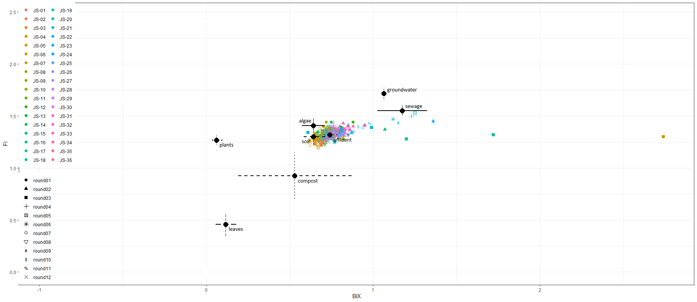

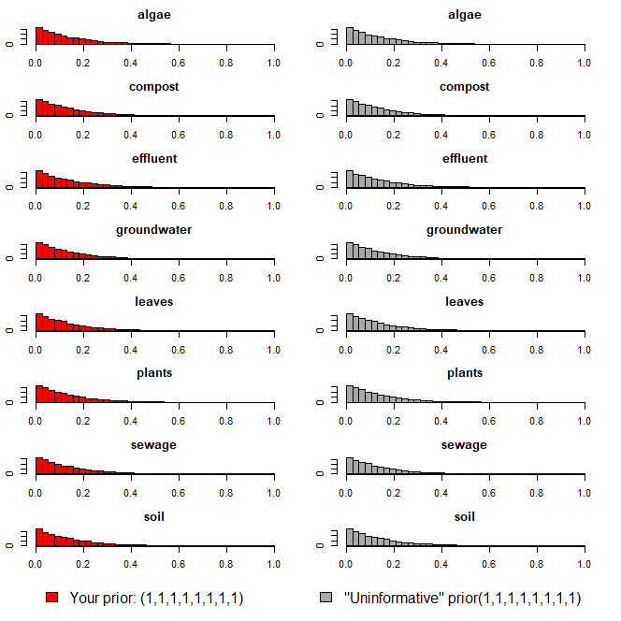

heatmap

ver1(회차)
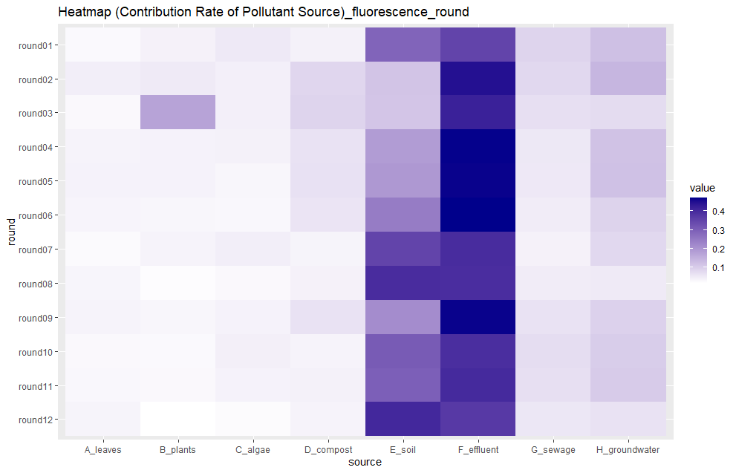
ver1
회차별

prior=1

오염원 | 1회차 | 2회차 | 3회차 | 4회차 | 5회차 | 6회차 | 7회차 | 8회차 | 9회차 | 10회차 | 11회차 | 12회차
낙엽(leaves) | 0.025 | 0.044 | 0.027 | 0.035 | 0.037 | 0.033 | 0.023 | 0.032 | 0.035 | 0.027 | 0.028 | 0.034
수생식물(plants) | 0.038 | 0.05 | 0.173 | 0.036 | 0.037 | 0.03 | 0.035 | 0.02 | 0.03 | 0.025 | 0.027 | 0.015
조류(algae) | 0.052 | 0.041 | 0.041 | 0.039 | 0.03 | 0.028 | 0.043 | 0.026 | 0.036 | 0.042 | 0.036 | 0.022
퇴비(compost) | 0.039 | 0.084 | 0.087 | 0.064 | 0.065 | 0.06 | 0.034 | 0.038 | 0.063 | 0.035 | 0.039 | 0.035
토양(soil) | 0.288 | 0.115 | 0.113 | 0.186 | 0.193 | 0.244 | 0.35 | 0.395 | 0.214 | 0.306 | 0.298 | 0.404
유출수(effluent) | 0.349 | 0.445 | 0.417 | 0.467 | 0.465 | 0.469 | 0.396 | 0.393 | 0.465 | 0.392 | 0.4 | 0.37
하수(sewage) | 0.087 | 0.081 | 0.068 | 0.054 | 0.053 | 0.046 | 0.038 | 0.046 | 0.064 | 0.073 | 0.069 | 0.056
지하수(groundwater) | 0.122 | 0.14 | 0.074 | 0.119 | 0.12 | 0.09 | 0.081 | 0.05 | 0.093 | 0.1 | 0.103 | 0.064
합계 | 1 | 1 | 1 | 1 | 1 | 1 | 1 | 1 | 1 | 1 | 1 | 1

isospace plot
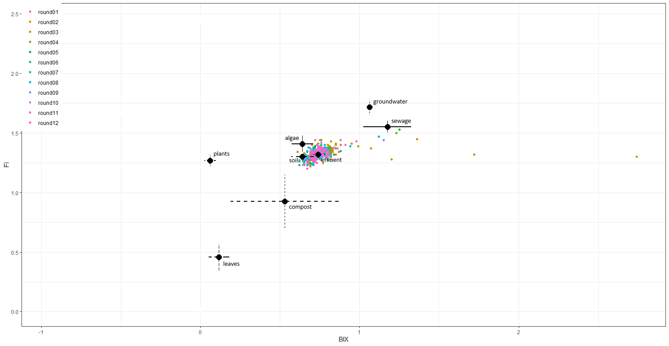

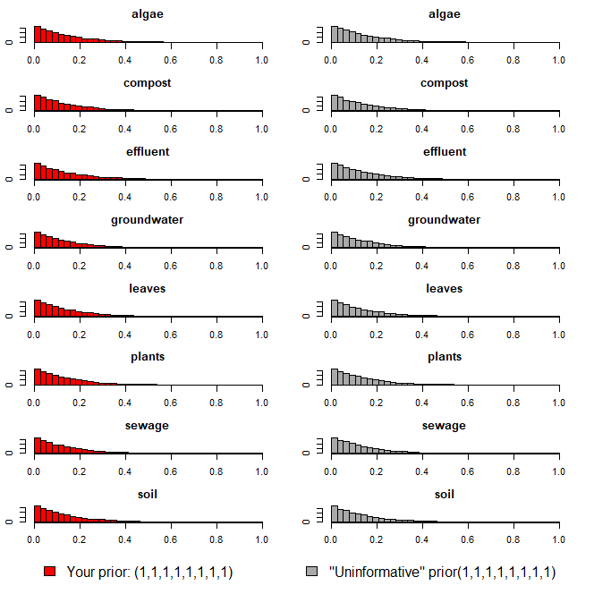

heatmap

ver1(지점)
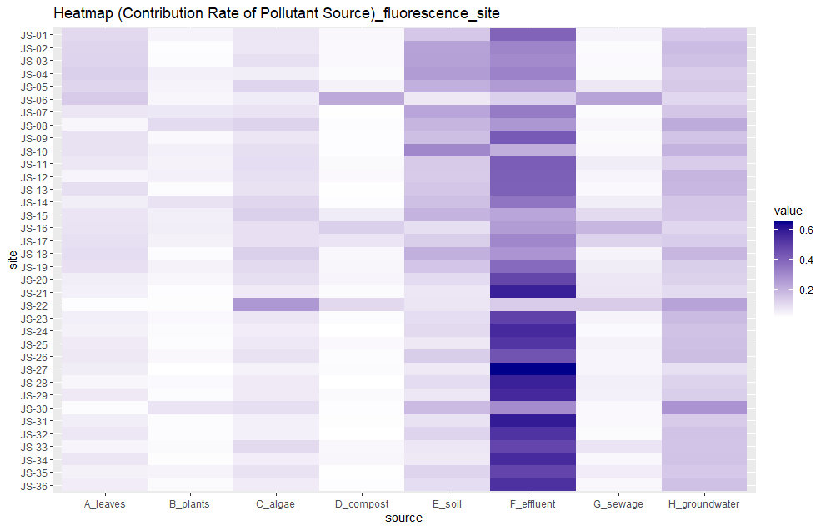
ver1
지점별

prior=1

오염원 | JS-01 | JS-02 | JS-03 | JS-04 | JS-05 | JS-06 | JS-07 | JS-08 | JS-09 | JS-10 | JS-11 | JS-12 | JS-13 | JS-14 | JS-15 | JS-16 | JS-17 | JS-18 | JS-19 | JS-20 | JS-21 | JS-22 | JS-23 | JS-24 | JS-25 | JS-26 | JS-27 | JS-28 | JS-29 | JS-30 | JS-31 | JS-32 | JS-33 | JS-34 | JS-35 | JS-36
낙엽(leaves) | 0.106 | 0.115 | 0.117 | 0.126 | 0.116 | 0.139 | 0.078 | 0.038 | 0.085 | 0.084 | 0.073 | 0.041 | 0.094 | 0.056 | 0.08 | 0.082 | 0.089 | 0.097 | 0.088 | 0.056 | 0.051 | 0.022 | 0.054 | 0.049 | 0.066 | 0.07 | 0.059 | 0.038 | 0.067 | 0.024 | 0.055 | 0.074 | 0.041 | 0.076 | 0.048 | 0.06
수생식물(plants) | 0.045 | 0.022 | 0.025 | 0.051 | 0.043 | 0.037 | 0.071 | 0.101 | 0.032 | 0.05 | 0.047 | 0.051 | 0.025 | 0.084 | 0.054 | 0.056 | 0.049 | 0.026 | 0.046 | 0.037 | 0.023 | 0.02 | 0.033 | 0.028 | 0.024 | 0.034 | 0.016 | 0.03 | 0.024 | 0.08 | 0.026 | 0.024 | 0.031 | 0.02 | 0.043 | 0.027
조류(algae) | 0.077 | 0.075 | 0.089 | 0.055 | 0.114 | 0.061 | 0.082 | 0.121 | 0.078 | 0.094 | 0.097 | 0.09 | 0.084 | 0.111 | 0.126 | 0.088 | 0.088 | 0.127 | 0.104 | 0.093 | 0.066 | 0.264 | 0.078 | 0.06 | 0.069 | 0.084 | 0.047 | 0.065 | 0.064 | 0.092 | 0.05 | 0.051 | 0.104 | 0.057 | 0.084 | 0.062
퇴비(compost) | 0.034 | 0.033 | 0.033 | 0.028 | 0.047 | 0.22 | 0.018 | 0.024 | 0.022 | 0.022 | 0.031 | 0.032 | 0.019 | 0.023 | 0.061 | 0.126 | 0.08 | 0.034 | 0.036 | 0.04 | 0.027 | 0.106 | 0.026 | 0.017 | 0.033 | 0.025 | 0.028 | 0.017 | 0.031 | 0.022 | 0.021 | 0.017 | 0.034 | 0.036 | 0.018 | 0.022
토양(soil) | 0.149 | 0.239 | 0.242 | 0.255 | 0.207 | 0.07 | 0.231 | 0.193 | 0.171 | 0.308 | 0.141 | 0.139 | 0.152 | 0.166 | 0.198 | 0.093 | 0.13 | 0.208 | 0.153 | 0.101 | 0.075 | 0.078 | 0.095 | 0.103 | 0.07 | 0.132 | 0.067 | 0.099 | 0.075 | 0.177 | 0.085 | 0.118 | 0.072 | 0.067 | 0.118 | 0.096
유출수(effluent) | 0.399 | 0.313 | 0.301 | 0.318 | 0.257 | 0.127 | 0.341 | 0.268 | 0.426 | 0.211 | 0.416 | 0.413 | 0.409 | 0.353 | 0.231 | 0.255 | 0.308 | 0.274 | 0.384 | 0.478 | 0.581 | 0.136 | 0.492 | 0.553 | 0.525 | 0.442 | 0.651 | 0.578 | 0.558 | 0.294 | 0.591 | 0.53 | 0.481 | 0.552 | 0.483 | 0.536
하수(sewage) | 0.044 | 0.028 | 0.029 | 0.031 | 0.073 | 0.236 | 0.027 | 0.037 | 0.031 | 0.033 | 0.059 | 0.041 | 0.032 | 0.056 | 0.102 | 0.189 | 0.121 | 0.043 | 0.059 | 0.072 | 0.076 | 0.137 | 0.043 | 0.03 | 0.046 | 0.041 | 0.041 | 0.054 | 0.051 | 0.033 | 0.032 | 0.027 | 0.08 | 0.034 | 0.06 | 0.034
지하수(groundwater) | 0.146 | 0.175 | 0.164 | 0.136 | 0.143 | 0.11 | 0.152 | 0.218 | 0.155 | 0.198 | 0.136 | 0.193 | 0.185 | 0.151 | 0.148 | 0.111 | 0.135 | 0.191 | 0.13 | 0.123 | 0.101 | 0.237 | 0.179 | 0.16 | 0.167 | 0.172 | 0.091 | 0.119 | 0.13 | 0.278 | 0.14 | 0.159 | 0.157 | 0.158 | 0.146 | 0.163
합계 | 1 | 1 | 1 | 1 | 1 | 1 | 1 | 1 | 1 | 1 | 1 | 1 | 1 | 1 | 1 | 1 | 1 | 1 | 1 | 1 | 1 | 1 | 1 | 1 | 1 | 1 | 1 | 1 | 1 | 1 | 1 | 1 | 1 | 1 | 1 | 1

isospace plot
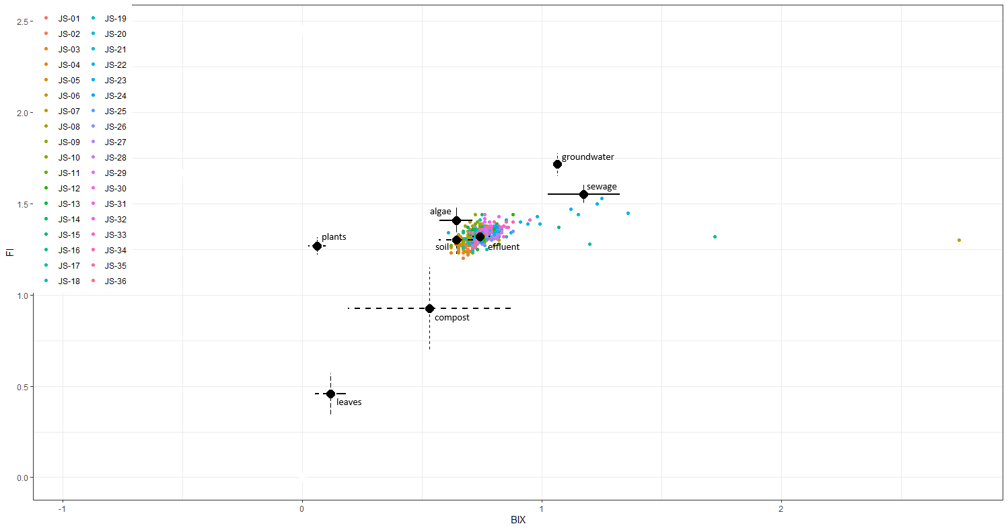

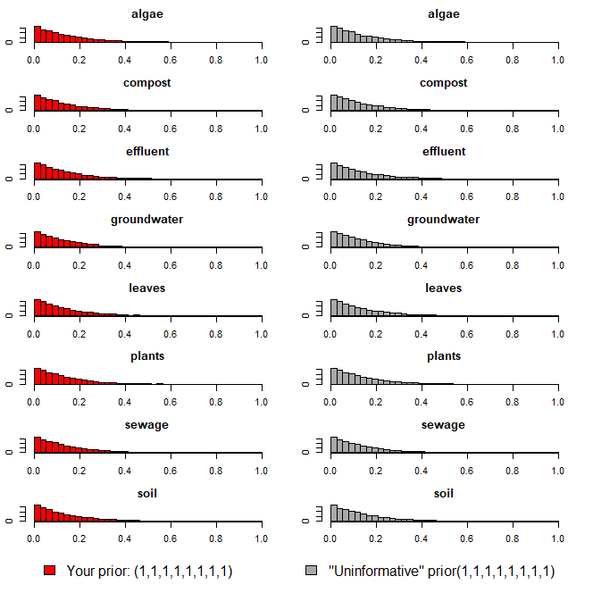

heatmap

ver2(회차, 지점 교차)
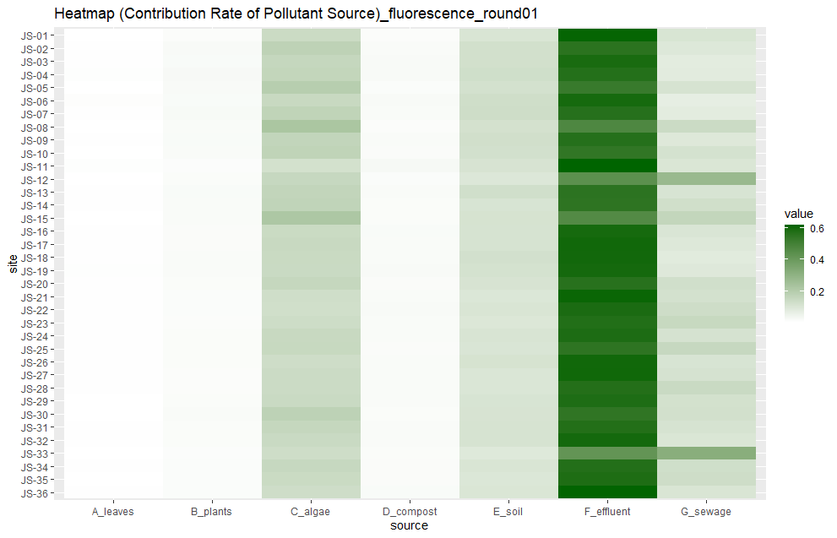
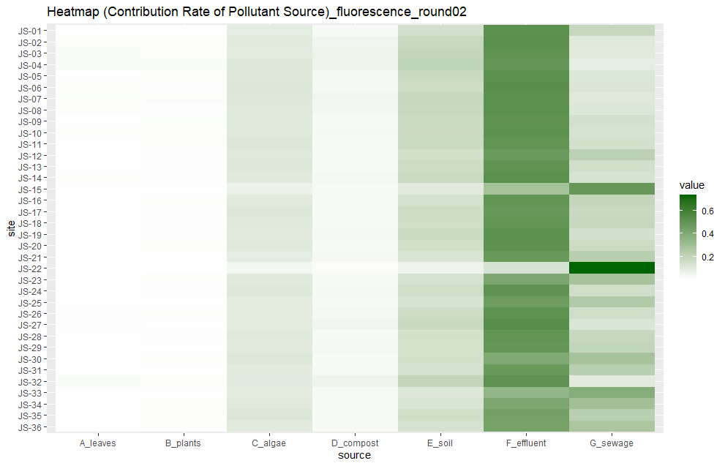
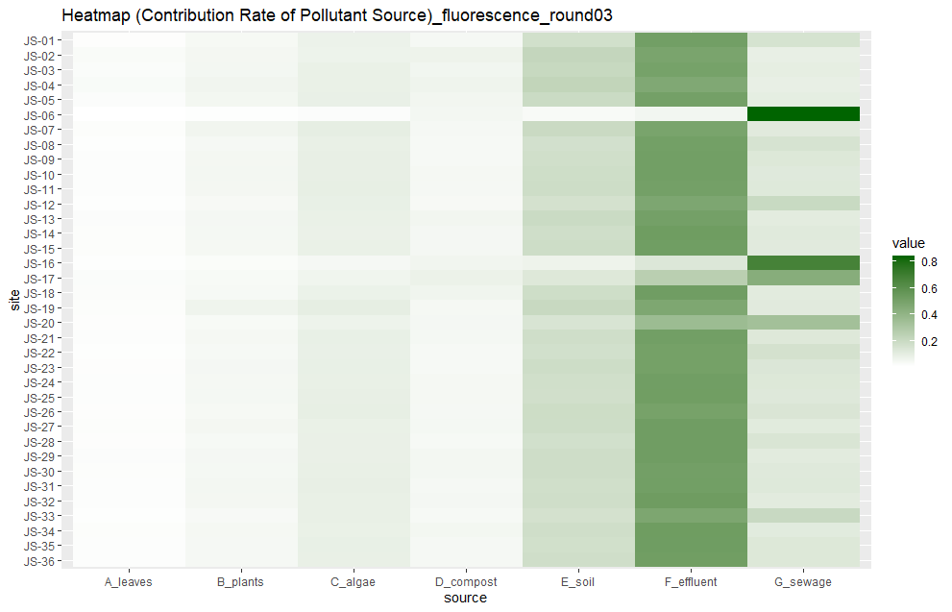
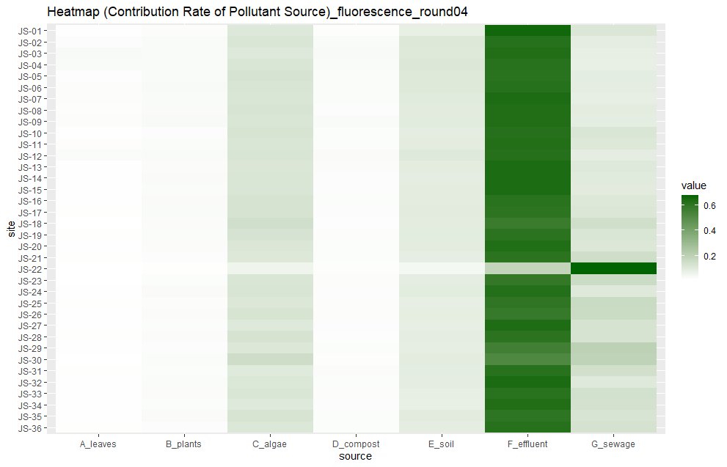
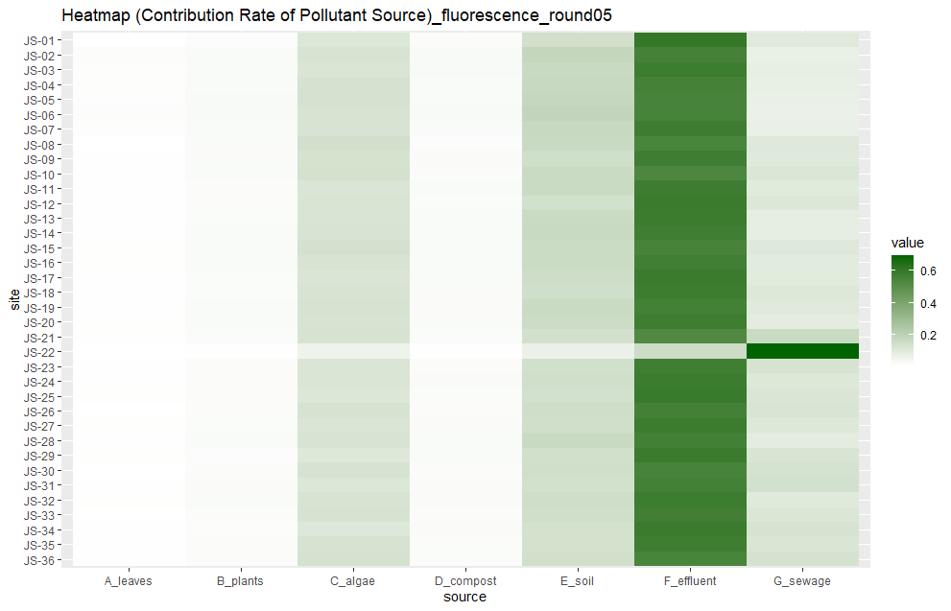
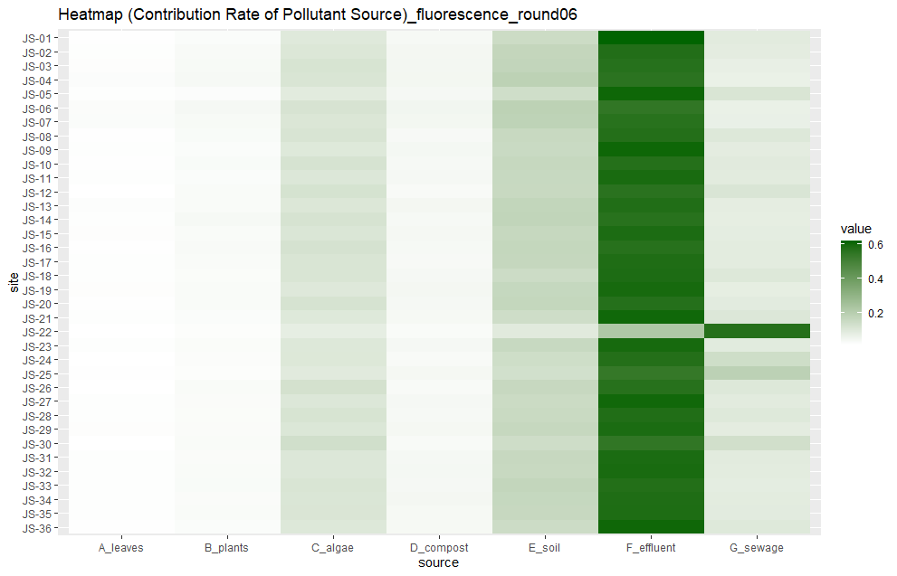
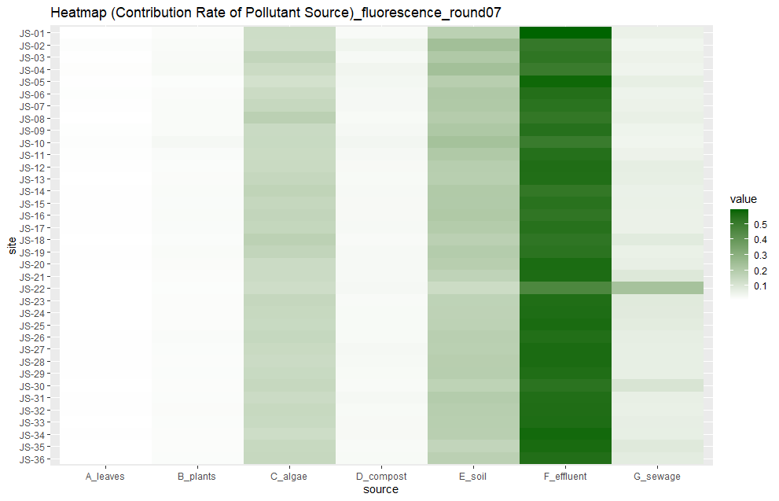
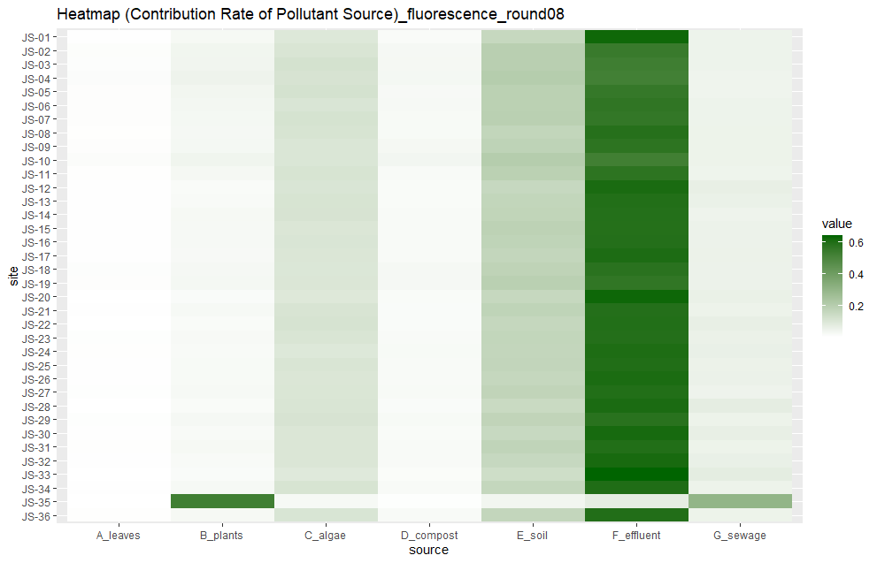

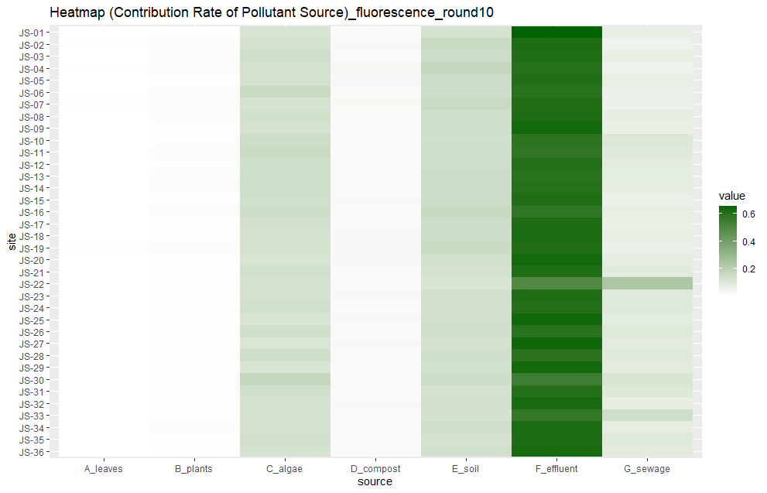
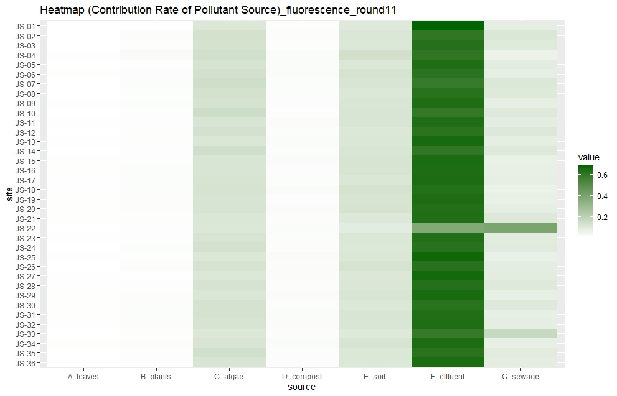
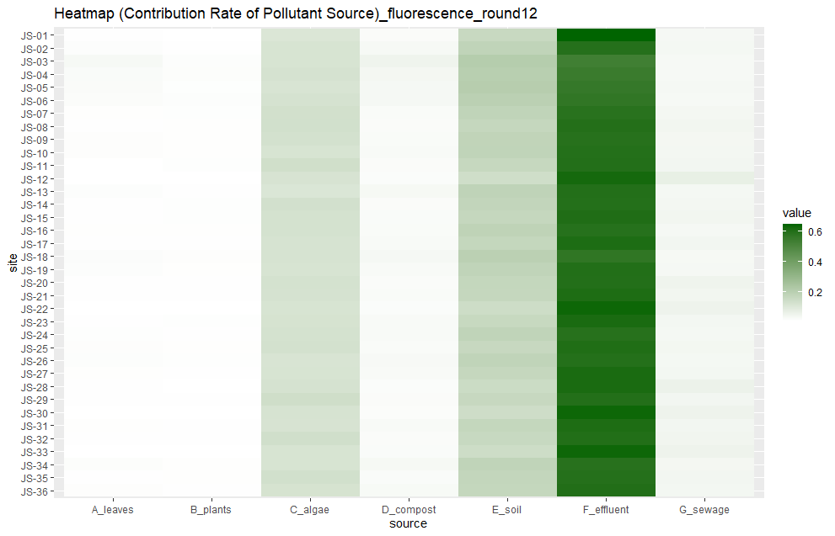
ver1

prior=1

1회차 |  |  |  |  |  |  |  |  | 2회차 |  |  |  |  |  |  |  |  | 3회차
지점 | 낙엽(leaves) | 수생식물(plants) | 조류(algae) | 퇴비(compost) | 토양(soil) | 유출수(effluent) | 하수(sewage) | 합계 | 지점 | 낙엽(leaves) | 수생식물(plants) | 조류(algae) | 퇴비(compost) | 토양(soil) | 유출수(effluent) | 하수(sewage) | 합계 | 지점 | 낙엽(leaves) | 수생식물(plants) | 조류(algae) | 퇴비(compost) | 토양(soil) | 유출수(effluent) | 하수(sewage) | 합계
JS-01 | 0.006 | 0.016 | 0.142 | 0.016 | 0.104 | 0.611 | 0.106 | 1.001 | JS-01 | 0.012 | 0.012 | 0.09 | 0.034 | 0.146 | 0.52 | 0.187 | 1.001 | JS-01 | 0.013 | 0.038 | 0.071 | 0.041 | 0.169 | 0.516 | 0.153 | 1.001
JS-02 | 0.007 | 0.024 | 0.176 | 0.02 | 0.123 | 0.556 | 0.093 | 0.999 | JS-02 | 0.02 | 0.017 | 0.1 | 0.052 | 0.179 | 0.524 | 0.107 | 0.999 | JS-02 | 0.027 | 0.045 | 0.069 | 0.067 | 0.217 | 0.487 | 0.087 | 0.999
JS-03 | 0.008 | 0.022 | 0.158 | 0.023 | 0.123 | 0.588 | 0.078 | 1 | JS-03 | 0.024 | 0.017 | 0.095 | 0.06 | 0.195 | 0.508 | 0.1 | 0.999 | JS-03 | 0.021 | 0.047 | 0.079 | 0.053 | 0.205 | 0.5 | 0.095 | 1
JS-04 | 0.009 | 0.026 | 0.163 | 0.023 | 0.129 | 0.569 | 0.081 | 1 | JS-04 | 0.024 | 0.025 | 0.111 | 0.06 | 0.203 | 0.491 | 0.086 | 1 | JS-04 | 0.028 | 0.055 | 0.079 | 0.063 | 0.225 | 0.463 | 0.086 | 0.999
JS-05 | 0.006 | 0.024 | 0.194 | 0.017 | 0.12 | 0.526 | 0.112 | 0.999 | JS-05 | 0.013 | 0.017 | 0.113 | 0.04 | 0.175 | 0.522 | 0.12 | 1 | JS-05 | 0.019 | 0.049 | 0.082 | 0.052 | 0.194 | 0.508 | 0.096 | 1
JS-06 | 0.011 | 0.022 | 0.15 | 0.024 | 0.13 | 0.593 | 0.069 | 0.999 | JS-06 | 0.014 | 0.019 | 0.115 | 0.038 | 0.163 | 0.529 | 0.123 | 1.001 | JS-06 | 0.005 | 0.011 | 0.018 | 0.047 | 0.029 | 0.05 | 0.84 | 1
JS-07 | 0.007 | 0.025 | 0.171 | 0.02 | 0.134 | 0.565 | 0.078 | 1 | JS-07 | 0.018 | 0.02 | 0.109 | 0.048 | 0.184 | 0.517 | 0.105 | 1.001 | JS-07 | 0.016 | 0.055 | 0.092 | 0.04 | 0.196 | 0.489 | 0.112 | 1
JS-08 | 0.006 | 0.021 | 0.226 | 0.016 | 0.118 | 0.472 | 0.141 | 1 | JS-08 | 0.017 | 0.016 | 0.106 | 0.043 | 0.178 | 0.522 | 0.117 | 0.999 | JS-08 | 0.012 | 0.039 | 0.083 | 0.037 | 0.165 | 0.511 | 0.152 | 0.999
JS-09 | 0.008 | 0.022 | 0.165 | 0.02 | 0.126 | 0.567 | 0.092 | 1 | JS-09 | 0.012 | 0.018 | 0.106 | 0.035 | 0.172 | 0.512 | 0.145 | 1 | JS-09 | 0.014 | 0.045 | 0.088 | 0.037 | 0.172 | 0.516 | 0.127 | 0.999
JS-10 | 0.006 | 0.021 | 0.171 | 0.019 | 0.122 | 0.543 | 0.117 | 0.999 | JS-10 | 0.014 | 0.017 | 0.108 | 0.039 | 0.173 | 0.516 | 0.133 | 1 | JS-10 | 0.015 | 0.047 | 0.086 | 0.042 | 0.179 | 0.515 | 0.117 | 1.001
JS-11 | 0.009 | 0.015 | 0.121 | 0.028 | 0.11 | 0.616 | 0.102 | 1.001 | JS-11 | 0.01 | 0.017 | 0.115 | 0.034 | 0.171 | 0.503 | 0.148 | 0.998 | JS-11 | 0.015 | 0.045 | 0.09 | 0.039 | 0.182 | 0.509 | 0.121 | 1.001
JS-12 | 0.005 | 0.018 | 0.153 | 0.017 | 0.096 | 0.437 | 0.273 | 0.999 | JS-12 | 0.01 | 0.015 | 0.106 | 0.033 | 0.147 | 0.472 | 0.216 | 0.999 | JS-12 | 0.011 | 0.035 | 0.085 | 0.035 | 0.159 | 0.474 | 0.2 | 0.999
JS-13 | 0.007 | 0.022 | 0.164 | 0.02 | 0.127 | 0.553 | 0.108 | 1.001 | JS-13 | 0.011 | 0.016 | 0.111 | 0.035 | 0.165 | 0.508 | 0.154 | 1 | JS-13 | 0.019 | 0.044 | 0.08 | 0.052 | 0.193 | 0.508 | 0.105 | 1.001
JS-14 | 0.007 | 0.02 | 0.17 | 0.018 | 0.108 | 0.55 | 0.128 | 1.001 | JS-14 | 0.014 | 0.015 | 0.102 | 0.04 | 0.171 | 0.523 | 0.135 | 1 | JS-14 | 0.017 | 0.043 | 0.077 | 0.044 | 0.178 | 0.527 | 0.114 | 1
JS-15 | 0.006 | 0.021 | 0.22 | 0.018 | 0.113 | 0.46 | 0.162 | 1 | JS-15 | 0.011 | 0.01 | 0.067 | 0.036 | 0.101 | 0.288 | 0.486 | 0.999 | JS-15 | 0.016 | 0.042 | 0.079 | 0.044 | 0.184 | 0.522 | 0.113 | 1
JS-16 | 0.007 | 0.019 | 0.144 | 0.022 | 0.112 | 0.593 | 0.103 | 1 | JS-16 | 0.011 | 0.014 | 0.101 | 0.036 | 0.142 | 0.501 | 0.195 | 1 | JS-16 | 0.012 | 0.023 | 0.039 | 0.056 | 0.067 | 0.129 | 0.674 | 1
JS-17 | 0.007 | 0.019 | 0.149 | 0.021 | 0.112 | 0.599 | 0.093 | 1 | JS-17 | 0.01 | 0.016 | 0.115 | 0.032 | 0.16 | 0.486 | 0.18 | 0.999 | JS-17 | 0.021 | 0.032 | 0.057 | 0.074 | 0.124 | 0.254 | 0.438 | 1
JS-18 | 0.008 | 0.02 | 0.147 | 0.021 | 0.122 | 0.598 | 0.083 | 0.999 | JS-18 | 0.011 | 0.015 | 0.104 | 0.033 | 0.155 | 0.498 | 0.185 | 1.001 | JS-18 | 0.02 | 0.037 | 0.075 | 0.057 | 0.179 | 0.523 | 0.109 | 1
JS-19 | 0.009 | 0.02 | 0.146 | 0.023 | 0.116 | 0.594 | 0.091 | 0.999 | JS-19 | 0.013 | 0.016 | 0.101 | 0.037 | 0.172 | 0.516 | 0.146 | 1.001 | JS-19 | 0.016 | 0.061 | 0.093 | 0.042 | 0.202 | 0.473 | 0.113 | 1
JS-20 | 0.007 | 0.018 | 0.158 | 0.019 | 0.11 | 0.561 | 0.127 | 1 | JS-20 | 0.011 | 0.014 | 0.102 | 0.035 | 0.153 | 0.515 | 0.17 | 1 | JS-20 | 0.013 | 0.033 | 0.069 | 0.044 | 0.145 | 0.36 | 0.335 | 0.999
JS-21 | 0.008 | 0.017 | 0.131 | 0.021 | 0.098 | 0.607 | 0.119 | 1.001 | JS-21 | 0.013 | 0.013 | 0.09 | 0.039 | 0.131 | 0.484 | 0.23 | 1 | JS-21 | 0.015 | 0.042 | 0.085 | 0.043 | 0.176 | 0.516 | 0.124 | 1.001
JS-22 | 0.007 | 0.017 | 0.128 | 0.023 | 0.105 | 0.586 | 0.134 | 1 | JS-22 | 0.007 | 0.008 | 0.043 | 0.02 | 0.058 | 0.132 | 0.733 | 1.001 | JS-22 | 0.012 | 0.037 | 0.082 | 0.036 | 0.168 | 0.506 | 0.159 | 1
JS-23 | 0.007 | 0.016 | 0.136 | 0.02 | 0.097 | 0.573 | 0.151 | 1 | JS-23 | 0.009 | 0.014 | 0.104 | 0.032 | 0.139 | 0.42 | 0.281 | 0.999 | JS-23 | 0.013 | 0.044 | 0.085 | 0.037 | 0.182 | 0.506 | 0.133 | 1
JS-24 | 0.008 | 0.018 | 0.149 | 0.021 | 0.107 | 0.582 | 0.115 | 1 | JS-24 | 0.012 | 0.015 | 0.111 | 0.037 | 0.158 | 0.51 | 0.158 | 1.001 | JS-24 | 0.014 | 0.042 | 0.083 | 0.042 | 0.173 | 0.518 | 0.127 | 0.999
JS-25 | 0.007 | 0.018 | 0.151 | 0.019 | 0.103 | 0.55 | 0.153 | 1.001 | JS-25 | 0.011 | 0.013 | 0.095 | 0.033 | 0.134 | 0.463 | 0.251 | 1 | JS-25 | 0.014 | 0.043 | 0.087 | 0.042 | 0.17 | 0.521 | 0.123 | 1
JS-26 | 0.008 | 0.018 | 0.134 | 0.021 | 0.113 | 0.599 | 0.108 | 1.001 | JS-26 | 0.015 | 0.014 | 0.094 | 0.042 | 0.164 | 0.513 | 0.157 | 0.999 | JS-26 | 0.013 | 0.038 | 0.089 | 0.039 | 0.185 | 0.499 | 0.138 | 1.001
JS-27 | 0.007 | 0.016 | 0.141 | 0.02 | 0.101 | 0.6 | 0.115 | 1 | JS-27 | 0.016 | 0.013 | 0.091 | 0.05 | 0.175 | 0.532 | 0.122 | 0.999 | JS-27 | 0.016 | 0.045 | 0.079 | 0.043 | 0.183 | 0.523 | 0.111 | 1
JS-28 | 0.007 | 0.016 | 0.141 | 0.02 | 0.101 | 0.57 | 0.146 | 1.001 | JS-28 | 0.012 | 0.015 | 0.102 | 0.036 | 0.148 | 0.502 | 0.185 | 1 | JS-28 | 0.013 | 0.037 | 0.081 | 0.037 | 0.168 | 0.523 | 0.141 | 1
JS-29 | 0.006 | 0.018 | 0.146 | 0.02 | 0.108 | 0.58 | 0.121 | 0.999 | JS-29 | 0.013 | 0.013 | 0.101 | 0.038 | 0.144 | 0.492 | 0.199 | 1 | JS-29 | 0.018 | 0.044 | 0.081 | 0.046 | 0.18 | 0.523 | 0.108 | 1
JS-30 | 0.006 | 0.02 | 0.177 | 0.018 | 0.11 | 0.546 | 0.123 | 1 | JS-30 | 0.009 | 0.014 | 0.113 | 0.031 | 0.147 | 0.404 | 0.283 | 1.001 | JS-30 | 0.016 | 0.043 | 0.084 | 0.046 | 0.181 | 0.512 | 0.118 | 1
JS-31 | 0.007 | 0.018 | 0.157 | 0.021 | 0.112 | 0.572 | 0.112 | 0.999 | JS-31 | 0.011 | 0.013 | 0.097 | 0.034 | 0.141 | 0.48 | 0.224 | 1 | JS-31 | 0.015 | 0.047 | 0.088 | 0.04 | 0.174 | 0.515 | 0.121 | 1
JS-32 | 0.007 | 0.018 | 0.146 | 0.021 | 0.111 | 0.595 | 0.102 | 1 | JS-32 | 0.025 | 0.017 | 0.096 | 0.059 | 0.193 | 0.51 | 0.1 | 1 | JS-32 | 0.014 | 0.045 | 0.084 | 0.044 | 0.178 | 0.528 | 0.108 | 1.001
JS-33 | 0.006 | 0.015 | 0.133 | 0.018 | 0.09 | 0.42 | 0.318 | 1 | JS-33 | 0.011 | 0.012 | 0.091 | 0.033 | 0.116 | 0.348 | 0.389 | 1 | JS-33 | 0.012 | 0.034 | 0.083 | 0.036 | 0.159 | 0.475 | 0.201 | 1
JS-34 | 0.007 | 0.017 | 0.153 | 0.019 | 0.104 | 0.571 | 0.129 | 1 | JS-34 | 0.01 | 0.014 | 0.101 | 0.032 | 0.127 | 0.417 | 0.299 | 1 | JS-34 | 0.017 | 0.042 | 0.079 | 0.048 | 0.178 | 0.527 | 0.11 | 1.001
JS-35 | 0.006 | 0.017 | 0.144 | 0.019 | 0.098 | 0.581 | 0.134 | 0.999 | JS-35 | 0.011 | 0.014 | 0.118 | 0.032 | 0.153 | 0.447 | 0.225 | 1 | JS-35 | 0.014 | 0.041 | 0.085 | 0.039 | 0.169 | 0.526 | 0.127 | 1.001
JS-36 | 0.007 | 0.017 | 0.133 | 0.022 | 0.102 | 0.614 | 0.104 | 0.999 | JS-36 | 0.01 | 0.014 | 0.1 | 0.033 | 0.138 | 0.439 | 0.267 | 1.001 | JS-36 | 0.014 | 0.04 | 0.083 | 0.04 | 0.176 | 0.52 | 0.127 | 1

4회차 |  |  |  |  |  |  |  |  | 5회차 |  |  |  |  |  |  |  |  | 6회차
지점 | 낙엽(leaves) | 수생식물(plants) | 조류(algae) | 퇴비(compost) | 토양(soil) | 유출수(effluent) | 하수(sewage) | 합계 | 지점 | 낙엽(leaves) | 수생식물(plants) | 조류(algae) | 퇴비(compost) | 토양(soil) | 유출수(effluent) | 하수(sewage) | 합계 | 지점 | 낙엽(leaves) | 수생식물(plants) | 조류(algae) | 퇴비(compost) | 토양(soil) | 유출수(effluent) | 하수(sewage) | 합계
JS-01 | 0.013 | 0.019 | 0.104 | 0.017 | 0.076 | 0.659 | 0.112 | 1 | JS-01 | 0.009 | 0.018 | 0.111 | 0.019 | 0.142 | 0.602 | 0.098 | 0.999 | JS-01 | 0.011 | 0.021 | 0.091 | 0.031 | 0.143 | 0.618 | 0.085 | 1
JS-02 | 0.021 | 0.028 | 0.116 | 0.026 | 0.105 | 0.621 | 0.083 | 1 | JS-02 | 0.016 | 0.026 | 0.123 | 0.027 | 0.179 | 0.557 | 0.072 | 1 | JS-02 | 0.014 | 0.027 | 0.101 | 0.038 | 0.164 | 0.576 | 0.08 | 1
JS-03 | 0.029 | 0.027 | 0.1 | 0.031 | 0.103 | 0.632 | 0.079 | 1.001 | JS-03 | 0.014 | 0.023 | 0.116 | 0.027 | 0.164 | 0.579 | 0.076 | 0.999 | JS-03 | 0.015 | 0.029 | 0.112 | 0.039 | 0.168 | 0.567 | 0.069 | 0.999
JS-04 | 0.026 | 0.028 | 0.116 | 0.028 | 0.109 | 0.617 | 0.075 | 0.999 | JS-04 | 0.014 | 0.026 | 0.131 | 0.026 | 0.171 | 0.557 | 0.073 | 0.998 | JS-04 | 0.019 | 0.031 | 0.108 | 0.04 | 0.182 | 0.558 | 0.063 | 1.001
JS-05 | 0.018 | 0.028 | 0.125 | 0.024 | 0.103 | 0.616 | 0.086 | 1 | JS-05 | 0.015 | 0.03 | 0.133 | 0.025 | 0.177 | 0.548 | 0.072 | 1 | JS-05 | 0.013 | 0.019 | 0.085 | 0.035 | 0.134 | 0.605 | 0.108 | 0.999
JS-06 | 0.019 | 0.031 | 0.118 | 0.024 | 0.103 | 0.621 | 0.083 | 0.999 | JS-06 | 0.017 | 0.028 | 0.124 | 0.028 | 0.186 | 0.551 | 0.065 | 0.999 | JS-06 | 0.02 | 0.035 | 0.114 | 0.044 | 0.181 | 0.545 | 0.063 | 1.002
JS-07 | 0.019 | 0.027 | 0.116 | 0.024 | 0.095 | 0.64 | 0.079 | 1 | JS-07 | 0.015 | 0.024 | 0.122 | 0.024 | 0.169 | 0.576 | 0.07 | 1 | JS-07 | 0.021 | 0.029 | 0.103 | 0.04 | 0.178 | 0.563 | 0.065 | 0.999
JS-08 | 0.017 | 0.025 | 0.121 | 0.021 | 0.093 | 0.633 | 0.09 | 1 | JS-08 | 0.009 | 0.023 | 0.142 | 0.018 | 0.165 | 0.543 | 0.099 | 0.999 | JS-08 | 0.011 | 0.026 | 0.111 | 0.03 | 0.153 | 0.572 | 0.097 | 1
JS-09 | 0.019 | 0.029 | 0.115 | 0.026 | 0.094 | 0.632 | 0.086 | 1.001 | JS-09 | 0.012 | 0.022 | 0.129 | 0.022 | 0.145 | 0.573 | 0.098 | 1.001 | JS-09 | 0.014 | 0.021 | 0.094 | 0.037 | 0.149 | 0.605 | 0.08 | 1
JS-10 | 0.013 | 0.021 | 0.124 | 0.02 | 0.084 | 0.623 | 0.115 | 1 | JS-10 | 0.01 | 0.023 | 0.136 | 0.019 | 0.162 | 0.536 | 0.114 | 1 | JS-10 | 0.012 | 0.026 | 0.115 | 0.032 | 0.157 | 0.57 | 0.088 | 1
JS-11 | 0.017 | 0.024 | 0.115 | 0.02 | 0.09 | 0.63 | 0.105 | 1.001 | JS-11 | 0.01 | 0.02 | 0.116 | 0.023 | 0.163 | 0.575 | 0.094 | 1.001 | JS-11 | 0.013 | 0.021 | 0.1 | 0.035 | 0.154 | 0.591 | 0.085 | 0.999
JS-12 | 0.023 | 0.027 | 0.119 | 0.025 | 0.101 | 0.623 | 0.083 | 1.001 | JS-12 | 0.01 | 0.02 | 0.12 | 0.021 | 0.137 | 0.584 | 0.108 | 1 | JS-12 | 0.01 | 0.024 | 0.117 | 0.028 | 0.153 | 0.56 | 0.107 | 0.999
JS-13 | 0.015 | 0.022 | 0.112 | 0.022 | 0.087 | 0.641 | 0.1 | 0.999 | JS-13 | 0.012 | 0.021 | 0.119 | 0.025 | 0.161 | 0.583 | 0.079 | 1 | JS-13 | 0.016 | 0.024 | 0.101 | 0.038 | 0.167 | 0.577 | 0.077 | 1
JS-14 | 0.015 | 0.025 | 0.117 | 0.021 | 0.084 | 0.641 | 0.097 | 1 | JS-14 | 0.013 | 0.025 | 0.121 | 0.026 | 0.165 | 0.57 | 0.079 | 0.999 | JS-14 | 0.013 | 0.031 | 0.115 | 0.032 | 0.17 | 0.563 | 0.075 | 0.999
JS-15 | 0.016 | 0.024 | 0.117 | 0.021 | 0.088 | 0.642 | 0.092 | 1 | JS-15 | 0.011 | 0.023 | 0.135 | 0.023 | 0.158 | 0.552 | 0.099 | 1.001 | JS-15 | 0.015 | 0.025 | 0.104 | 0.036 | 0.157 | 0.585 | 0.079 | 1.001
JS-16 | 0.015 | 0.025 | 0.128 | 0.02 | 0.09 | 0.615 | 0.106 | 0.999 | JS-16 | 0.011 | 0.024 | 0.123 | 0.025 | 0.158 | 0.567 | 0.093 | 1.001 | JS-16 | 0.012 | 0.027 | 0.118 | 0.032 | 0.163 | 0.566 | 0.082 | 1
JS-17 | 0.014 | 0.026 | 0.127 | 0.021 | 0.092 | 0.607 | 0.112 | 0.999 | JS-17 | 0.012 | 0.021 | 0.116 | 0.024 | 0.151 | 0.584 | 0.093 | 1.001 | JS-17 | 0.013 | 0.025 | 0.108 | 0.03 | 0.161 | 0.581 | 0.082 | 1
JS-18 | 0.012 | 0.022 | 0.143 | 0.018 | 0.088 | 0.574 | 0.144 | 1.001 | JS-18 | 0.01 | 0.021 | 0.121 | 0.022 | 0.143 | 0.577 | 0.107 | 1.001 | JS-18 | 0.013 | 0.022 | 0.108 | 0.034 | 0.142 | 0.584 | 0.097 | 1
JS-19 | 0.014 | 0.024 | 0.125 | 0.019 | 0.091 | 0.612 | 0.115 | 1 | JS-19 | 0.01 | 0.023 | 0.126 | 0.022 | 0.161 | 0.561 | 0.097 | 1 | JS-19 | 0.015 | 0.024 | 0.095 | 0.038 | 0.159 | 0.594 | 0.075 | 1
JS-20 | 0.015 | 0.022 | 0.113 | 0.02 | 0.088 | 0.634 | 0.109 | 1.001 | JS-20 | 0.011 | 0.023 | 0.124 | 0.025 | 0.156 | 0.574 | 0.087 | 1 | JS-20 | 0.012 | 0.024 | 0.116 | 0.035 | 0.162 | 0.569 | 0.083 | 1.001
JS-21 | 0.014 | 0.021 | 0.107 | 0.02 | 0.081 | 0.609 | 0.148 | 1 | JS-21 | 0.01 | 0.02 | 0.126 | 0.021 | 0.138 | 0.524 | 0.162 | 1.001 | JS-21 | 0.013 | 0.021 | 0.094 | 0.033 | 0.137 | 0.602 | 0.099 | 0.999
JS-22 | 0.01 | 0.014 | 0.056 | 0.017 | 0.041 | 0.184 | 0.677 | 0.999 | JS-22 | 0.007 | 0.013 | 0.055 | 0.013 | 0.065 | 0.156 | 0.691 | 1 | JS-22 | 0.009 | 0.017 | 0.074 | 0.024 | 0.087 | 0.219 | 0.57 | 1
JS-23 | 0.012 | 0.02 | 0.117 | 0.019 | 0.083 | 0.592 | 0.157 | 1 | JS-23 | 0.01 | 0.019 | 0.116 | 0.02 | 0.14 | 0.57 | 0.126 | 1.001 | JS-23 | 0.013 | 0.022 | 0.097 | 0.034 | 0.154 | 0.594 | 0.086 | 1
JS-24 | 0.016 | 0.025 | 0.12 | 0.021 | 0.091 | 0.626 | 0.102 | 1.001 | JS-24 | 0.01 | 0.02 | 0.116 | 0.022 | 0.145 | 0.58 | 0.107 | 1 | JS-24 | 0.01 | 0.02 | 0.098 | 0.027 | 0.136 | 0.572 | 0.136 | 0.999
JS-25 | 0.014 | 0.019 | 0.109 | 0.019 | 0.077 | 0.602 | 0.161 | 1.001 | JS-25 | 0.011 | 0.019 | 0.108 | 0.021 | 0.138 | 0.588 | 0.116 | 1.001 | JS-25 | 0.011 | 0.017 | 0.087 | 0.036 | 0.128 | 0.537 | 0.183 | 0.999
JS-26 | 0.013 | 0.022 | 0.124 | 0.019 | 0.082 | 0.582 | 0.158 | 1 | JS-26 | 0.009 | 0.02 | 0.126 | 0.019 | 0.149 | 0.558 | 0.118 | 0.999 | JS-26 | 0.01 | 0.024 | 0.122 | 0.027 | 0.156 | 0.565 | 0.096 | 1
JS-27 | 0.016 | 0.02 | 0.101 | 0.021 | 0.078 | 0.638 | 0.127 | 1.001 | JS-27 | 0.011 | 0.021 | 0.116 | 0.022 | 0.144 | 0.582 | 0.105 | 1.001 | JS-27 | 0.013 | 0.023 | 0.1 | 0.034 | 0.145 | 0.601 | 0.084 | 1
JS-28 | 0.014 | 0.022 | 0.127 | 0.018 | 0.084 | 0.609 | 0.126 | 1 | JS-28 | 0.012 | 0.025 | 0.122 | 0.024 | 0.165 | 0.565 | 0.087 | 1 | JS-28 | 0.013 | 0.022 | 0.112 | 0.032 | 0.15 | 0.578 | 0.094 | 1.001
JS-29 | 0.013 | 0.021 | 0.109 | 0.02 | 0.08 | 0.557 | 0.199 | 0.999 | JS-29 | 0.011 | 0.018 | 0.103 | 0.023 | 0.142 | 0.584 | 0.12 | 1.001 | JS-29 | 0.015 | 0.023 | 0.102 | 0.036 | 0.158 | 0.587 | 0.08 | 1.001
JS-30 | 0.011 | 0.023 | 0.151 | 0.017 | 0.088 | 0.518 | 0.192 | 1 | JS-30 | 0.008 | 0.019 | 0.125 | 0.02 | 0.145 | 0.55 | 0.132 | 0.999 | JS-30 | 0.01 | 0.024 | 0.13 | 0.027 | 0.137 | 0.545 | 0.129 | 1.002
JS-31 | 0.014 | 0.02 | 0.099 | 0.022 | 0.086 | 0.617 | 0.142 | 1 | JS-31 | 0.01 | 0.022 | 0.111 | 0.022 | 0.139 | 0.561 | 0.137 | 1.002 | JS-31 | 0.013 | 0.023 | 0.1 | 0.035 | 0.156 | 0.587 | 0.085 | 0.999
JS-32 | 0.015 | 0.024 | 0.111 | 0.02 | 0.084 | 0.644 | 0.101 | 0.999 | JS-32 | 0.011 | 0.023 | 0.121 | 0.022 | 0.148 | 0.578 | 0.098 | 1.001 | JS-32 | 0.014 | 0.024 | 0.1 | 0.037 | 0.153 | 0.591 | 0.082 | 1.001
JS-33 | 0.013 | 0.022 | 0.115 | 0.019 | 0.079 | 0.616 | 0.137 | 1.001 | JS-33 | 0.009 | 0.02 | 0.127 | 0.019 | 0.145 | 0.566 | 0.113 | 0.999 | JS-33 | 0.014 | 0.026 | 0.108 | 0.035 | 0.165 | 0.574 | 0.078 | 1
JS-34 | 0.015 | 0.02 | 0.101 | 0.021 | 0.076 | 0.633 | 0.134 | 1 | JS-34 | 0.01 | 0.016 | 0.103 | 0.022 | 0.136 | 0.586 | 0.128 | 1.001 | JS-34 | 0.014 | 0.023 | 0.104 | 0.038 | 0.159 | 0.581 | 0.082 | 1.001
JS-35 | 0.015 | 0.025 | 0.123 | 0.02 | 0.093 | 0.603 | 0.122 | 1.001 | JS-35 | 0.01 | 0.019 | 0.127 | 0.021 | 0.134 | 0.574 | 0.115 | 1 | JS-35 | 0.013 | 0.025 | 0.106 | 0.033 | 0.156 | 0.583 | 0.083 | 0.999
JS-36 | 0.014 | 0.021 | 0.111 | 0.02 | 0.084 | 0.62 | 0.129 | 0.999 | JS-36 | 0.01 | 0.019 | 0.131 | 0.021 | 0.142 | 0.546 | 0.132 | 1.001 | JS-36 | 0.012 | 0.021 | 0.096 | 0.033 | 0.141 | 0.604 | 0.094 | 1.001

7회차 |  |  |  |  |  |  |  |  | 8회차 |  |  |  |  |  |  |  |  | 9회차
지점 | 낙엽(leaves) | 수생식물(plants) | 조류(algae) | 퇴비(compost) | 토양(soil) | 유출수(effluent) | 하수(sewage) | 합계 | 지점 | 낙엽(leaves) | 수생식물(plants) | 조류(algae) | 퇴비(compost) | 토양(soil) | 유출수(effluent) | 하수(sewage) | 합계 | 지점 | 낙엽(leaves) | 수생식물(plants) | 조류(algae) | 퇴비(compost) | 토양(soil) | 유출수(effluent) | 하수(sewage) | 합계
JS-01 | 0.006 | 0.015 | 0.13 | 0.023 | 0.176 | 0.593 | 0.056 | 0.999 | JS-01 | 0.009 | 0.032 | 0.098 | 0.023 | 0.162 | 0.623 | 0.054 | 1.001 | JS-01 | 0.008 | 0.014 | 0.084 | 0.039 | 0.132 | 0.631 | 0.092 | 1
JS-02 | 0.012 | 0.021 | 0.129 | 0.042 | 0.241 | 0.513 | 0.042 | 1 | JS-02 | 0.016 | 0.044 | 0.11 | 0.034 | 0.197 | 0.544 | 0.055 | 1 | JS-02 | 0.013 | 0.02 | 0.095 | 0.052 | 0.169 | 0.577 | 0.074 | 1
JS-03 | 0.008 | 0.023 | 0.159 | 0.027 | 0.205 | 0.527 | 0.051 | 1 | JS-03 | 0.015 | 0.045 | 0.122 | 0.035 | 0.197 | 0.53 | 0.055 | 0.999 | JS-03 | 0.01 | 0.02 | 0.1 | 0.041 | 0.161 | 0.589 | 0.078 | 0.999
JS-04 | 0.011 | 0.024 | 0.137 | 0.041 | 0.238 | 0.503 | 0.045 | 0.999 | JS-04 | 0.017 | 0.053 | 0.116 | 0.036 | 0.207 | 0.522 | 0.049 | 1 | JS-04 | 0.013 | 0.022 | 0.101 | 0.051 | 0.172 | 0.578 | 0.063 | 1
JS-05 | 0.008 | 0.014 | 0.116 | 0.034 | 0.185 | 0.579 | 0.065 | 1.001 | JS-05 | 0.013 | 0.042 | 0.122 | 0.029 | 0.19 | 0.553 | 0.049 | 0.998 | JS-05 | 0.017 | 0.021 | 0.093 | 0.068 | 0.183 | 0.556 | 0.062 | 1
JS-06 | 0.009 | 0.018 | 0.137 | 0.029 | 0.208 | 0.549 | 0.049 | 0.999 | JS-06 | 0.013 | 0.038 | 0.108 | 0.031 | 0.19 | 0.565 | 0.055 | 1 | JS-06 | 0.012 | 0.027 | 0.106 | 0.048 | 0.178 | 0.562 | 0.066 | 0.999
JS-07 | 0.008 | 0.021 | 0.149 | 0.03 | 0.204 | 0.536 | 0.053 | 1.001 | JS-07 | 0.013 | 0.036 | 0.119 | 0.028 | 0.193 | 0.558 | 0.054 | 1.001 | JS-07 | 0.011 | 0.019 | 0.104 | 0.042 | 0.158 | 0.585 | 0.08 | 0.999
JS-08 | 0.006 | 0.02 | 0.177 | 0.024 | 0.193 | 0.519 | 0.061 | 1 | JS-08 | 0.011 | 0.033 | 0.114 | 0.028 | 0.171 | 0.586 | 0.056 | 0.999 | JS-08 | 0.011 | 0.018 | 0.101 | 0.045 | 0.146 | 0.596 | 0.084 | 1.001
JS-09 | 0.009 | 0.021 | 0.14 | 0.03 | 0.209 | 0.544 | 0.047 | 1 | JS-09 | 0.013 | 0.036 | 0.106 | 0.035 | 0.182 | 0.572 | 0.056 | 1 | JS-09 | 0.009 | 0.021 | 0.103 | 0.043 | 0.155 | 0.582 | 0.086 | 0.999
JS-10 | 0.012 | 0.029 | 0.143 | 0.037 | 0.232 | 0.504 | 0.043 | 1 | JS-10 | 0.019 | 0.047 | 0.106 | 0.041 | 0.207 | 0.525 | 0.056 | 1.001 | JS-10 | 0.011 | 0.021 | 0.11 | 0.049 | 0.162 | 0.57 | 0.076 | 0.999
JS-11 | 0.009 | 0.019 | 0.139 | 0.03 | 0.205 | 0.546 | 0.051 | 0.999 | JS-11 | 0.011 | 0.035 | 0.114 | 0.025 | 0.191 | 0.572 | 0.052 | 1 | JS-11 | 0.012 | 0.018 | 0.094 | 0.043 | 0.151 | 0.598 | 0.084 | 1
JS-12 | 0.007 | 0.017 | 0.141 | 0.026 | 0.186 | 0.556 | 0.067 | 1 | JS-12 | 0.009 | 0.024 | 0.108 | 0.023 | 0.16 | 0.608 | 0.069 | 1.001 | JS-12 | 0.011 | 0.018 | 0.09 | 0.044 | 0.137 | 0.612 | 0.088 | 1
JS-13 | 0.006 | 0.018 | 0.152 | 0.024 | 0.183 | 0.553 | 0.064 | 1 | JS-13 | 0.009 | 0.027 | 0.114 | 0.024 | 0.171 | 0.593 | 0.062 | 1 | JS-13 | 0.011 | 0.017 | 0.099 | 0.042 | 0.144 | 0.598 | 0.09 | 1.001
JS-14 | 0.007 | 0.021 | 0.165 | 0.028 | 0.202 | 0.519 | 0.057 | 0.999 | JS-14 | 0.01 | 0.032 | 0.116 | 0.026 | 0.175 | 0.589 | 0.053 | 1.001 | JS-14 | 0.009 | 0.021 | 0.115 | 0.039 | 0.153 | 0.569 | 0.094 | 1
JS-15 | 0.007 | 0.019 | 0.151 | 0.026 | 0.201 | 0.539 | 0.058 | 1.001 | JS-15 | 0.01 | 0.03 | 0.105 | 0.025 | 0.185 | 0.588 | 0.057 | 1 | JS-15 | 0.009 | 0.017 | 0.105 | 0.039 | 0.139 | 0.592 | 0.099 | 1
JS-16 | 0.008 | 0.021 | 0.158 | 0.026 | 0.206 | 0.525 | 0.056 | 1 | JS-16 | 0.01 | 0.031 | 0.108 | 0.025 | 0.179 | 0.59 | 0.058 | 1.001 | JS-16 | 0.01 | 0.017 | 0.101 | 0.042 | 0.151 | 0.585 | 0.095 | 1.001
JS-17 | 0.007 | 0.019 | 0.154 | 0.027 | 0.195 | 0.542 | 0.056 | 1 | JS-17 | 0.009 | 0.029 | 0.105 | 0.026 | 0.169 | 0.603 | 0.059 | 1 | JS-17 | 0.009 | 0.014 | 0.083 | 0.047 | 0.126 | 0.632 | 0.089 | 1
JS-18 | 0.006 | 0.017 | 0.174 | 0.022 | 0.177 | 0.526 | 0.079 | 1.001 | JS-18 | 0.014 | 0.034 | 0.103 | 0.034 | 0.181 | 0.577 | 0.057 | 1 | JS-18 | 0.009 | 0.018 | 0.102 | 0.042 | 0.147 | 0.592 | 0.089 | 0.999
JS-19 | 0.007 | 0.02 | 0.159 | 0.027 | 0.194 | 0.534 | 0.058 | 0.999 | JS-19 | 0.013 | 0.036 | 0.105 | 0.033 | 0.193 | 0.563 | 0.057 | 1 | JS-19 | 0.011 | 0.016 | 0.085 | 0.053 | 0.146 | 0.611 | 0.078 | 1
JS-20 | 0.007 | 0.018 | 0.136 | 0.028 | 0.185 | 0.563 | 0.063 | 1 | JS-20 | 0.008 | 0.022 | 0.097 | 0.024 | 0.162 | 0.624 | 0.063 | 1 | JS-20 | 0.009 | 0.017 | 0.103 | 0.041 | 0.141 | 0.583 | 0.107 | 1.001
JS-21 | 0.006 | 0.016 | 0.136 | 0.027 | 0.166 | 0.56 | 0.089 | 1 | JS-21 | 0.01 | 0.03 | 0.112 | 0.022 | 0.179 | 0.59 | 0.056 | 0.999 | JS-21 | 0.009 | 0.016 | 0.096 | 0.041 | 0.131 | 0.595 | 0.112 | 1
JS-22 | 0.006 | 0.014 | 0.129 | 0.029 | 0.134 | 0.458 | 0.23 | 1 | JS-22 | 0.008 | 0.024 | 0.118 | 0.022 | 0.165 | 0.593 | 0.07 | 1 | JS-22 | 0.008 | 0.014 | 0.063 | 0.039 | 0.083 | 0.224 | 0.57 | 1.001
JS-23 | 0.006 | 0.016 | 0.151 | 0.023 | 0.168 | 0.555 | 0.082 | 1.001 | JS-23 | 0.012 | 0.029 | 0.109 | 0.027 | 0.171 | 0.59 | 0.061 | 0.999 | JS-23 | 0.008 | 0.017 | 0.1 | 0.038 | 0.134 | 0.557 | 0.146 | 1
JS-24 | 0.006 | 0.016 | 0.146 | 0.024 | 0.17 | 0.558 | 0.081 | 1.001 | JS-24 | 0.011 | 0.027 | 0.099 | 0.028 | 0.169 | 0.601 | 0.065 | 1 | JS-24 | 0.008 | 0.016 | 0.106 | 0.037 | 0.133 | 0.566 | 0.134 | 1
JS-25 | 0.006 | 0.016 | 0.143 | 0.024 | 0.171 | 0.565 | 0.075 | 1 | JS-25 | 0.01 | 0.028 | 0.11 | 0.026 | 0.172 | 0.596 | 0.059 | 1.001 | JS-25 | 0.009 | 0.016 | 0.101 | 0.039 | 0.141 | 0.576 | 0.118 | 1
JS-26 | 0.007 | 0.019 | 0.15 | 0.025 | 0.181 | 0.551 | 0.067 | 1 | JS-26 | 0.01 | 0.028 | 0.105 | 0.026 | 0.165 | 0.606 | 0.06 | 1 | JS-26 | 0.011 | 0.017 | 0.09 | 0.048 | 0.161 | 0.596 | 0.076 | 0.999
JS-27 | 0.007 | 0.017 | 0.141 | 0.029 | 0.178 | 0.564 | 0.064 | 1 | JS-27 | 0.012 | 0.03 | 0.107 | 0.028 | 0.176 | 0.593 | 0.053 | 0.999 | JS-27 | 0.009 | 0.014 | 0.095 | 0.041 | 0.13 | 0.597 | 0.114 | 1
JS-28 | 0.007 | 0.015 | 0.136 | 0.028 | 0.185 | 0.564 | 0.064 | 0.999 | JS-28 | 0.008 | 0.024 | 0.109 | 0.022 | 0.154 | 0.607 | 0.076 | 1 | JS-28 | 0.009 | 0.016 | 0.108 | 0.038 | 0.134 | 0.579 | 0.116 | 1
JS-29 | 0.007 | 0.017 | 0.143 | 0.025 | 0.187 | 0.555 | 0.065 | 0.999 | JS-29 | 0.012 | 0.033 | 0.116 | 0.028 | 0.176 | 0.579 | 0.056 | 1 | JS-29 | 0.009 | 0.017 | 0.093 | 0.041 | 0.135 | 0.588 | 0.116 | 0.999
JS-30 | 0.005 | 0.016 | 0.148 | 0.022 | 0.169 | 0.535 | 0.104 | 0.999 | JS-30 | 0.009 | 0.026 | 0.105 | 0.023 | 0.157 | 0.612 | 0.068 | 1 | JS-30 | 0.008 | 0.015 | 0.105 | 0.037 | 0.137 | 0.561 | 0.137 | 1
JS-31 | 0.007 | 0.017 | 0.136 | 0.03 | 0.194 | 0.553 | 0.062 | 0.999 | JS-31 | 0.011 | 0.032 | 0.104 | 0.027 | 0.177 | 0.593 | 0.056 | 1 | JS-31 | 0.008 | 0.016 | 0.098 | 0.039 | 0.141 | 0.599 | 0.099 | 1
JS-32 | 0.007 | 0.018 | 0.146 | 0.025 | 0.187 | 0.556 | 0.06 | 0.999 | JS-32 | 0.009 | 0.026 | 0.104 | 0.025 | 0.16 | 0.611 | 0.065 | 1 | JS-32 | 0.009 | 0.017 | 0.092 | 0.04 | 0.125 | 0.593 | 0.125 | 1.001
JS-33 | 0.006 | 0.017 | 0.143 | 0.026 | 0.183 | 0.558 | 0.066 | 0.999 | JS-33 | 0.008 | 0.022 | 0.093 | 0.02 | 0.139 | 0.638 | 0.079 | 0.999 | JS-33 | 0.009 | 0.016 | 0.092 | 0.041 | 0.122 | 0.534 | 0.186 | 1
JS-34 | 0.007 | 0.016 | 0.131 | 0.026 | 0.181 | 0.574 | 0.065 | 1 | JS-34 | 0.01 | 0.03 | 0.115 | 0.025 | 0.167 | 0.598 | 0.056 | 1.001 | JS-34 | 0.011 | 0.016 | 0.088 | 0.048 | 0.134 | 0.612 | 0.091 | 1
JS-35 | 0.006 | 0.015 | 0.146 | 0.023 | 0.158 | 0.567 | 0.086 | 1.001 | JS-35 | 0.007 | 0.526 | 0.031 | 0.012 | 0.043 | 0.076 | 0.303 | 0.998 | JS-35 | 0.01 | 0.017 | 0.092 | 0.042 | 0.135 | 0.602 | 0.102 | 1
JS-36 | 0.006 | 0.017 | 0.149 | 0.024 | 0.177 | 0.552 | 0.074 | 0.999 | JS-36 | 0.011 | 0.032 | 0.111 | 0.026 | 0.17 | 0.594 | 0.056 | 1 | JS-36 | 0.01 | 0.015 | 0.086 | 0.046 | 0.141 | 0.605 | 0.097 | 1

10회차 |  |  |  |  |  |  |  |  | 11회차 |  |  |  |  |  |  |  |  | 12회차
지점 | 낙엽(leaves) | 수생식물(plants) | 조류(algae) | 퇴비(compost) | 토양(soil) | 유출수(effluent) | 하수(sewage) | 합계 | 지점 | 낙엽(leaves) | 수생식물(plants) | 조류(algae) | 퇴비(compost) | 토양(soil) | 유출수(effluent) | 하수(sewage) | 합계 | 지점 | 낙엽(leaves) | 수생식물(plants) | 조류(algae) | 퇴비(compost) | 토양(soil) | 유출수(effluent) | 하수(sewage) | 합계
JS-01 | 0.005 | 0.01 | 0.115 | 0.022 | 0.123 | 0.652 | 0.072 | 0.999 | JS-01 | 0.007 | 0.012 | 0.108 | 0.014 | 0.098 | 0.681 | 0.079 | 0.999 | JS-01 | 0.013 | 0.012 | 0.109 | 0.025 | 0.161 | 0.644 | 0.037 | 1.001
JS-02 | 0.009 | 0.014 | 0.124 | 0.03 | 0.152 | 0.615 | 0.055 | 0.999 | JS-02 | 0.009 | 0.016 | 0.135 | 0.016 | 0.112 | 0.6 | 0.113 | 1.001 | JS-02 | 0.019 | 0.014 | 0.118 | 0.034 | 0.182 | 0.593 | 0.04 | 1
JS-03 | 0.006 | 0.014 | 0.134 | 0.026 | 0.142 | 0.61 | 0.068 | 1 | JS-03 | 0.009 | 0.015 | 0.13 | 0.015 | 0.107 | 0.626 | 0.097 | 0.999 | JS-03 | 0.034 | 0.018 | 0.118 | 0.053 | 0.211 | 0.532 | 0.034 | 1
JS-04 | 0.011 | 0.017 | 0.124 | 0.033 | 0.165 | 0.599 | 0.051 | 1 | JS-04 | 0.013 | 0.022 | 0.138 | 0.021 | 0.14 | 0.605 | 0.062 | 1.001 | JS-04 | 0.026 | 0.02 | 0.125 | 0.041 | 0.203 | 0.548 | 0.035 | 0.998
JS-05 | 0.007 | 0.013 | 0.126 | 0.029 | 0.146 | 0.607 | 0.071 | 0.999 | JS-05 | 0.009 | 0.015 | 0.125 | 0.019 | 0.107 | 0.64 | 0.086 | 1.001 | JS-05 | 0.025 | 0.016 | 0.117 | 0.038 | 0.208 | 0.558 | 0.038 | 1
JS-06 | 0.006 | 0.015 | 0.155 | 0.027 | 0.143 | 0.592 | 0.062 | 1 | JS-06 | 0.011 | 0.018 | 0.136 | 0.02 | 0.126 | 0.612 | 0.076 | 0.999 | JS-06 | 0.023 | 0.018 | 0.124 | 0.037 | 0.196 | 0.568 | 0.035 | 1.001
JS-07 | 0.009 | 0.016 | 0.122 | 0.031 | 0.156 | 0.611 | 0.056 | 1.001 | JS-07 | 0.008 | 0.017 | 0.148 | 0.017 | 0.118 | 0.584 | 0.109 | 1.001 | JS-07 | 0.015 | 0.016 | 0.133 | 0.028 | 0.182 | 0.585 | 0.041 | 1
JS-08 | 0.006 | 0.014 | 0.132 | 0.024 | 0.136 | 0.614 | 0.073 | 0.999 | JS-08 | 0.008 | 0.015 | 0.133 | 0.016 | 0.106 | 0.62 | 0.101 | 0.999 | JS-08 | 0.013 | 0.015 | 0.135 | 0.025 | 0.168 | 0.596 | 0.047 | 0.999
JS-09 | 0.007 | 0.013 | 0.122 | 0.026 | 0.134 | 0.629 | 0.069 | 1 | JS-09 | 0.01 | 0.017 | 0.126 | 0.018 | 0.114 | 0.64 | 0.076 | 1.001 | JS-09 | 0.017 | 0.015 | 0.129 | 0.028 | 0.18 | 0.59 | 0.041 | 1
JS-10 | 0.006 | 0.013 | 0.143 | 0.024 | 0.131 | 0.584 | 0.1 | 1.001 | JS-10 | 0.008 | 0.015 | 0.151 | 0.015 | 0.116 | 0.595 | 0.1 | 1 | JS-10 | 0.017 | 0.015 | 0.119 | 0.029 | 0.181 | 0.595 | 0.043 | 0.999
...
JS-30 | 0.006 | 0.013 | 0.168 | 0.022 | 0.141 | 0.539 | 0.112 | 1.001 | JS-30 | 0.01 | 0.017 | 0.131 | 0.016 | 0.11 | 0.618 | 0.099 | 1.001 | JS-30 | 0.011 | 0.012
JS-31 | 0.006 | 0.012 | 0.134 | 0.023 | 0.123 | 0.602 | 0.099 | 0.999 | JS-31 | 0.011 | 0.016 | 0.127 | 0.02 | 0.117 | 0.636 | 0.073 | 1 | JS-31 | 0.015 | 0.014
JS-32 | 0.007 | 0.012 | 0.122 | 0.029 | 0.133 | 0.622 | 0.075 | 1 | JS-32 | 0.01 | 0.016 | 0.122 | 0.019 | 0.114 | 0.64 | 0.078 | 0.999 | JS-32 | 0.013 | 0.014
JS-33 | 0.006 | 0.01 | 0.124 | 0.023 | 0.126 | 0.57 | 0.14 | 0.999 | JS-33 | 0.008 | 0.014 | 0.106 | 0.018 | 0.101 | 0.588 | 0.166 | 1.001 | JS-33 | 0.011 | 0.011
JS-34 | 0.007 | 0.014 | 0.122 | 0.027 | 0.135 | 0.62 | 0.074 | 0.999 | JS-34 | 0.011 | 0.016 | 0.117 | 0.02 | 0.119 | 0.645 | 0.072 | 1 | JS-34 | 0.02 | 0.015
JS-35 | 0.005 | 0.011 | 0.129 | 0.023 | 0.124 | 0.614 | 0.093 | 0.999 | JS-35 | 0.008 | 0.015 | 0.139 | 0.018 | 0.11 | 0.619 | 0.09 | 0.999 | JS-35 | 0.014 | 0.015
JS-36 | 0.006 | 0.011 | 0.119 | 0.024 | 0.131 | 0.623 | 0.085 | 0.999 | JS-36 | 0.009 | 0.015 | 0.118 | 0.018 | 0.11 | 0.646 | 0.082 | 0.998 | JS-36 | 0.017 | 0.014

isospace plot
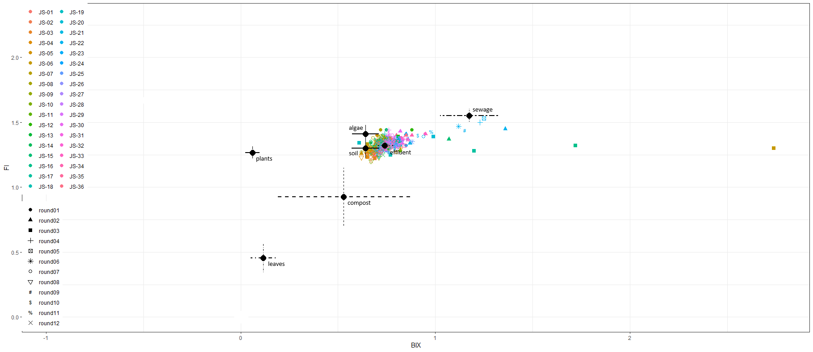

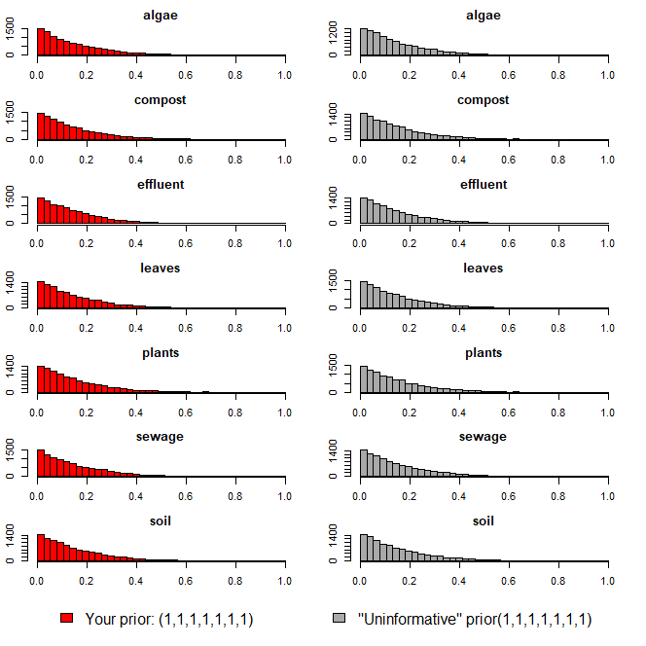

heatmap

ver2(회차)
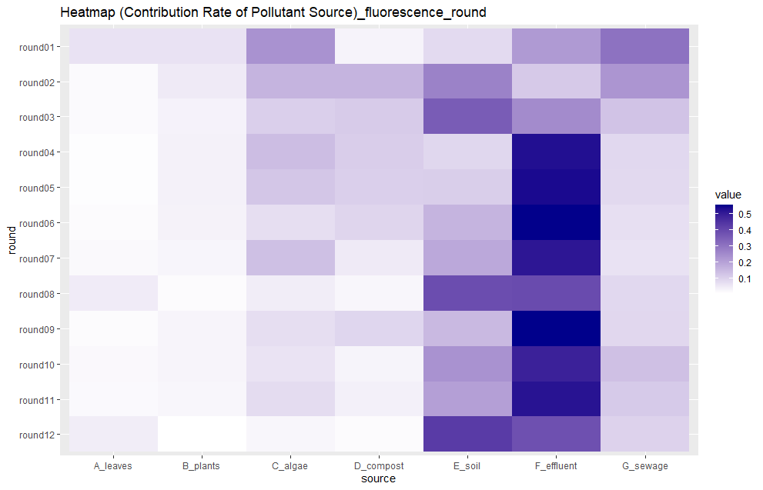
...
오염원 | 1회차 | 2회차 | 3회차 | 4회차 | 5회차 | 6회차 | 7회차 | 8회차 | 9회차 | 10회차 | 11회차 | 12회차
낙엽(leaves) | 0.066 | 0.018 | 0.017 | 0.012 | 0.011 | 0.016 | 0.02 | 0.048 | 0.016 | 0.021 | 0.019 | 0.044
수생식물(plants) | 0.066 | 0.049 | 0.033 | 0.036 | 0.035 | 0.034 | 0.028 | 0.015 | 0.029 | 0.029 | 0.026 | 0.007
조류(algae) | 0.234 | 0.16 | 0.104 | 0.142 | 0.123 | 0.074 | 0.136 | 0.044 | 0.073 | 0.063 | 0.078 | 0.025
퇴비(compost) | 0.031 | 0.161 | 0.113 | 0.108 | 0.105 | 0.093 | 0.05 | 0.026 | 0.091 | 0.03 | 0.038 | 0.016
토양(soil) | 0.081 | 0.269 | 0.354 | 0.089 | 0.107 | 0.16 | 0.187 | 0.388 | 0.15 | 0.233 | 0.205 | 0.429
유출수(effluent) | 0.217 | 0.116 | 0.25 | 0.527 | 0.536 | 0.552 | 0.513 | 0.393 | 0.553 | 0.489 | 0.519 | 0.381
하수(sewage) | 0.305 | 0.227 | 0.129 | 0.086 | 0.083 | 0.071 | 0.066 | 0.086 | 0.088 | 0.135 | 0.115 | 0.098
합계 | 1 | 1 | 1 | 1 | 1 | 1 | 1 | 1 | 1 | 1 | 1 | 1

isospace plot
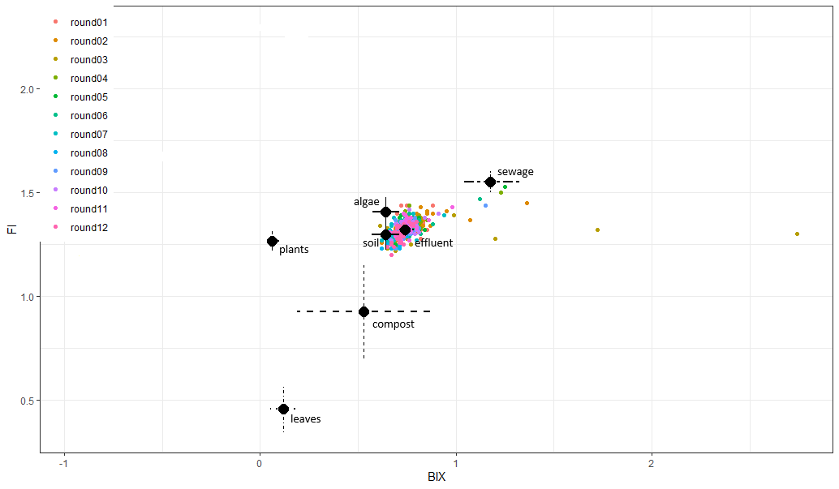

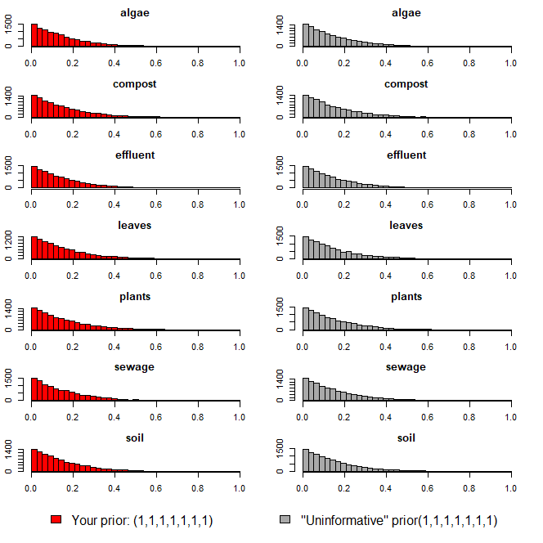

heatmap

ver2(지점)
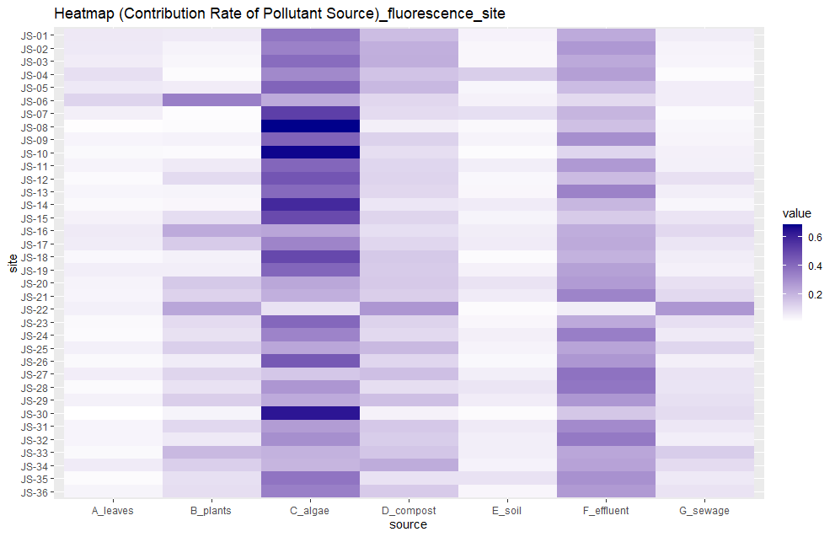
...
오염원 | JS-01 | JS-02 | JS-03 | JS-04 | JS-05 | JS-06 | JS-07 | JS-08 | JS-09 | JS-10 | JS-11 | JS-12 | JS-13 | JS-14 | JS-15 | JS-16 | JS-17 | JS-18 | JS-19 | JS-20 | JS-21 | JS-22 | JS-23 | JS-24 | JS-25 | JS-26 | JS-27
낙엽(leaves) | 0.068 | 0.066 | 0.058 | 0.09 | 0.066 | 0.118 | 0.051 | 0.015 | 0.037 | 0.027 | 0.04 | 0.024 | 0.036 | 0.027 | 0.045 | 0.062 | 0.059 | 0.031 | 0.052 | 0.041 | 0.037 | 0.049 | 0.026 | 0.024 | 0.049 | 0.027 | 0.055
수생식물(plants) | 0.064 | 0.04 | 0.034 | 0.022 | 0.057 | 0.342 | 0.018 | 0.022 | 0.043 | 0.023 | 0.062 | 0.101 | 0.039 | 0.032 | 0.096 | 0.226 | 0.14 | 0.046 | 0.054 | 0.147 | 0.122 | 0.237 | 0.1 | 0.086 | 0.131 | 0.059 | 0.115
조류(algae) | 0.368 | 0.335 | 0.393 | 0.315 | 0.416 | 0.226 | 0.519 | 0.682 | 0.419 | 0.673 | 0.41 | 0.457 | 0.399 | 0.583 | 0.487 | 0.24 | 0.326 | 0.494 | 0.411 | 0.235 | 0.213 | 0.084 | 0.406 | 0.329 | 0.236 | 0.447 | 0.15
퇴비(compost) | 0.176 | 0.213 | 0.217 | 0.161 | 0.191 | 0.11 | 0.1 | 0.051 | 0.124 | 0.094 | 0.114 | 0.119 | 0.11 | 0.072 | 0.116 | 0.091 | 0.112 | 0.147 | 0.14 | 0.145 | 0.133 | 0.278 | 0.121 | 0.106 | 0.188 | 0.112 | 0.172
토양(soil) | 0.042 | 0.032 | 0.032 | 0.134 | 0.036 | 0.045 | 0.091 | 0.028 | 0.041 | 0.022 | 0.053 | 0.031 | 0.032 | 0.06 | 0.039 | 0.056 | 0.061 | 0.02 | 0.045 | 0.08 | 0.061 | 0.02 | 0.032 | 0.05 | 0.041 | 0.029 | 0.052
유출수(effluent) | 0.226 | 0.273 | 0.229 | 0.256 | 0.179 | 0.104 | 0.198 | 0.169 | 0.298 | 0.114 | 0.272 | 0.181 | 0.332 | 0.192 | 0.14 | 0.218 | 0.227 | 0.206 | 0.251 | 0.265 | 0.328 | 0.056 | 0.225 | 0.343 | 0.241 | 0.276 | 0.376
하수(sewage) | 0.056 | 0.041 | 0.037 | 0.022 | 0.055 | 0.055 | 0.023 | 0.033 | 0.038 | 0.047 | 0.049 | 0.087 | 0.052 | 0.034 | 0.077 | 0.107 | 0.075 | 0.056 | 0.047 | 0.087 | 0.106 | 0.276 | 0.09 | 0.062 | 0.114 | 0.05 | 0.08
합계 | 1 | 1 | 1 | 1 | 1 | 1 | 1 | 1 | 1 | 1 | 1 | 1 | 1 | 1 | 1 | 1 | 1 | 1 | 1 | 1 | 1 | 1 | 1 | 1 | 1 | 1 | 1

isospace plot
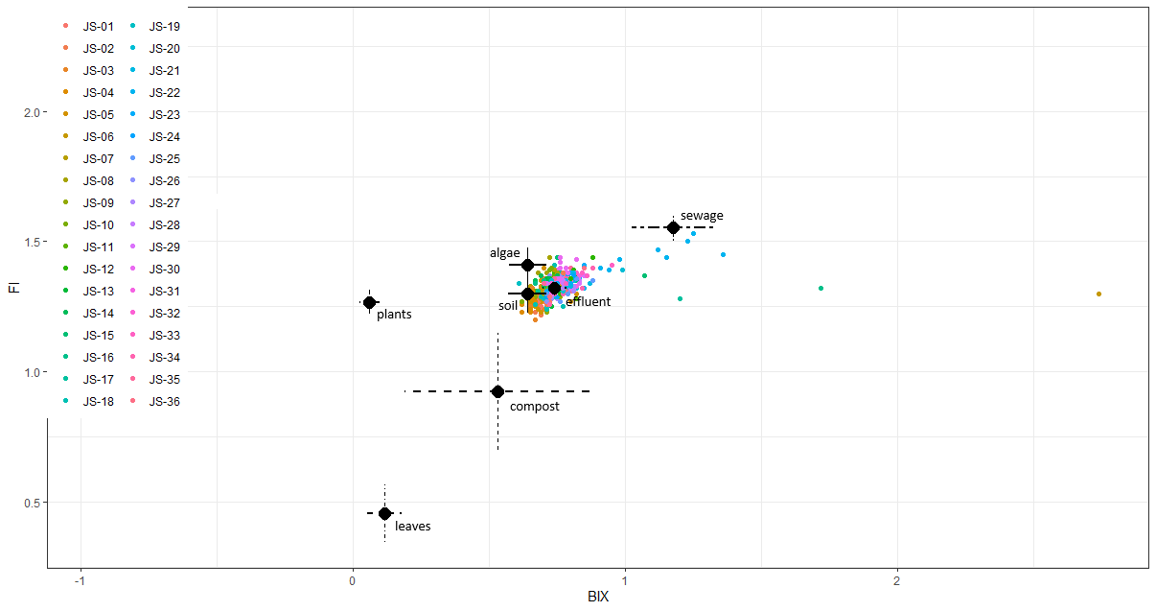

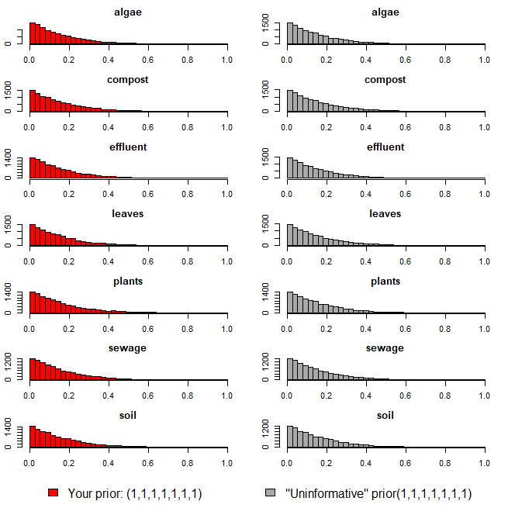

heatmap

